DFOS_contour
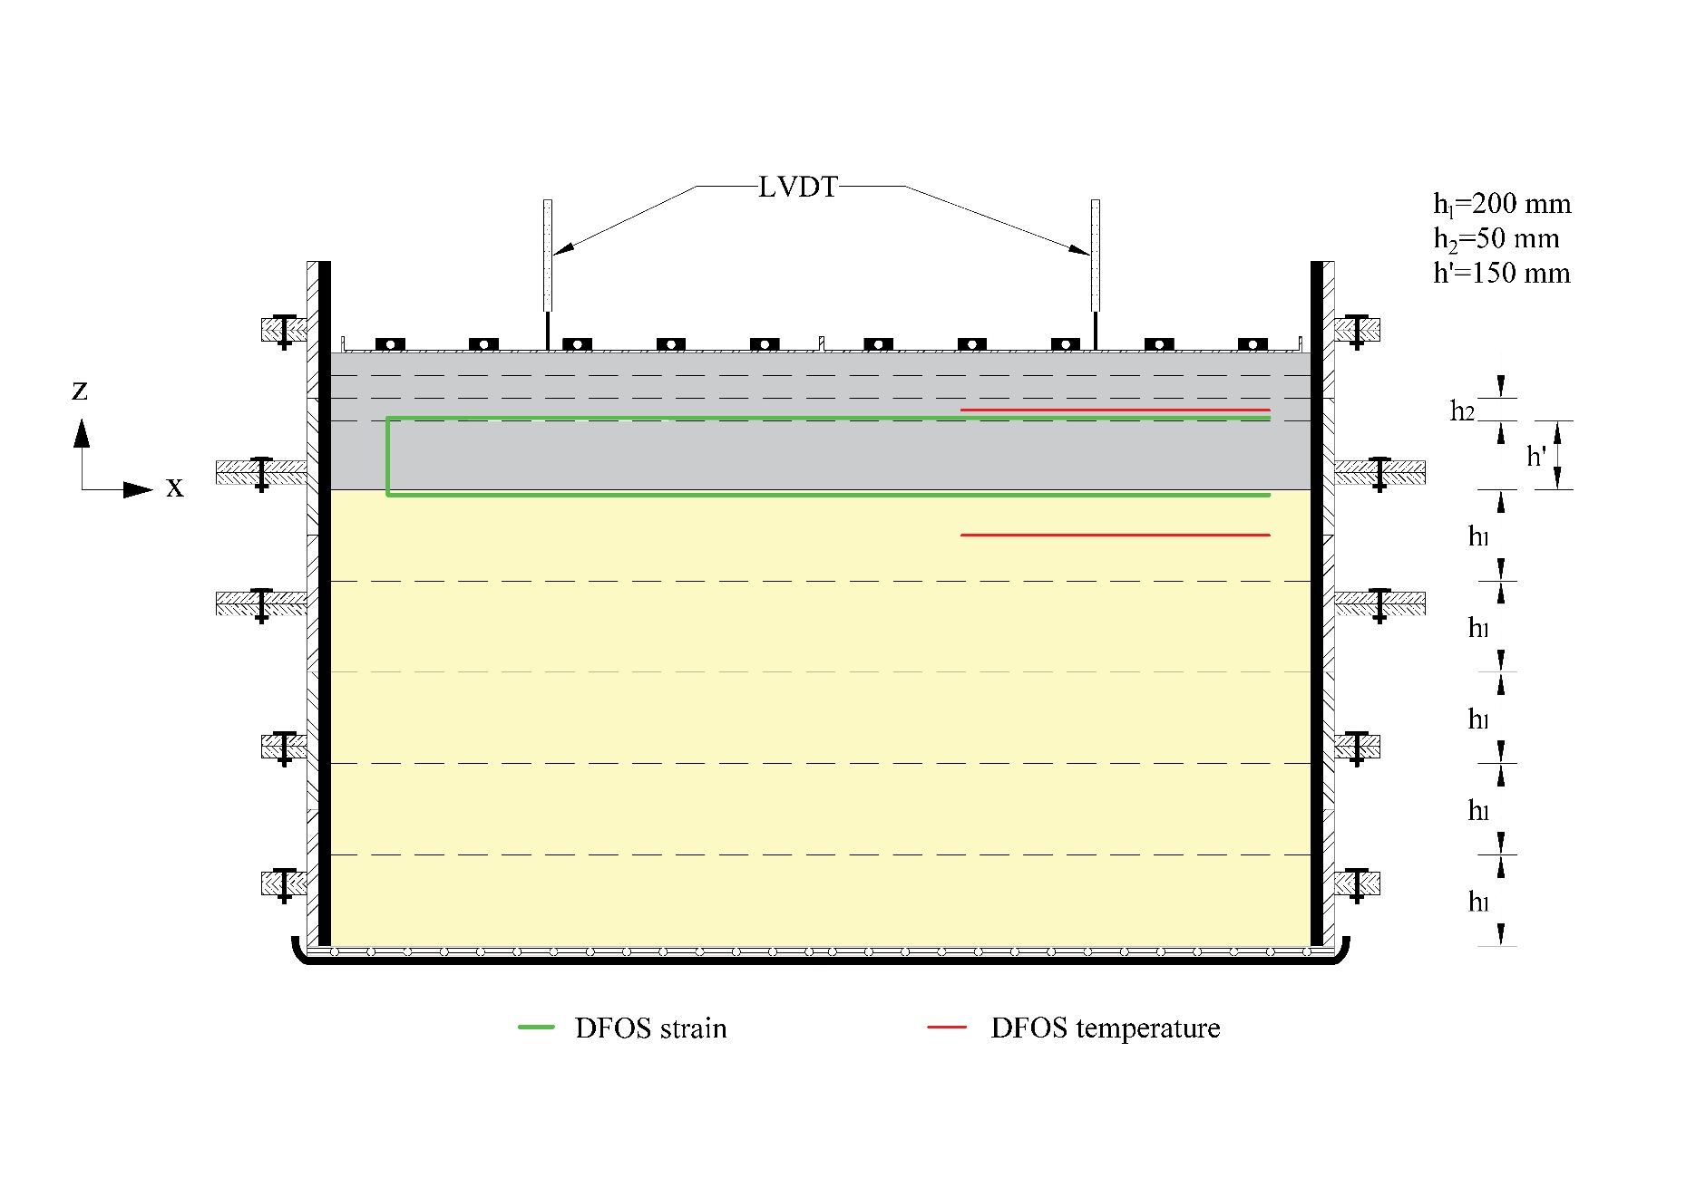
Segment | Tare | Gage location | X (mm) | Y (mm) | Microstrain
 |  |  |  |  | 7 days | 14 days
Horizontal in subgrade[0] | -904.7 | 6.20909 | 500 | 0 | -444.2 | -977.4
Horizontal in subgrade[1] | -927.1 | 6.2104 | 499.6 | 0 | -448.6 | -979.7
Horizontal in subgrade[2] | -946.9 | 6.2117 | 499.3 | 0 | -449.8 | -985.5
Horizontal in subgrade[3] | -960.5 | 6.21301 | 499 | 0 | -451.2 | -979.8
Horizontal in subgrade[4] | -973.3 | 6.21432 | 497.69 | 0 | -451.3 | -979.6
Horizontal in subgrade[5] | -987.4 | 6.21562 | 496.39 | 0 | -450.7 | -985.6
Horizontal in subgrade[6] | -1004.3 | 6.21693 | 495.08 | 0 | -450 | -993.2
Horizontal in subgrade[7] | -1025.3 | 6.21823 | 493.78 | 0 | -446.5 | -989.3
Horizontal in subgrade[8] | -1046.7 | 6.21954 | 492.47 | 0 | -448.3 | -989.4
Horizontal in subgrade[9] | -1062.4 | 6.22085 | 491.16 | 0 | -446.6 | -991.1
Horizontal in subgrade[10] | -1078.8 | 6.22215 | 489.86 | 0 | -446 | -992.9
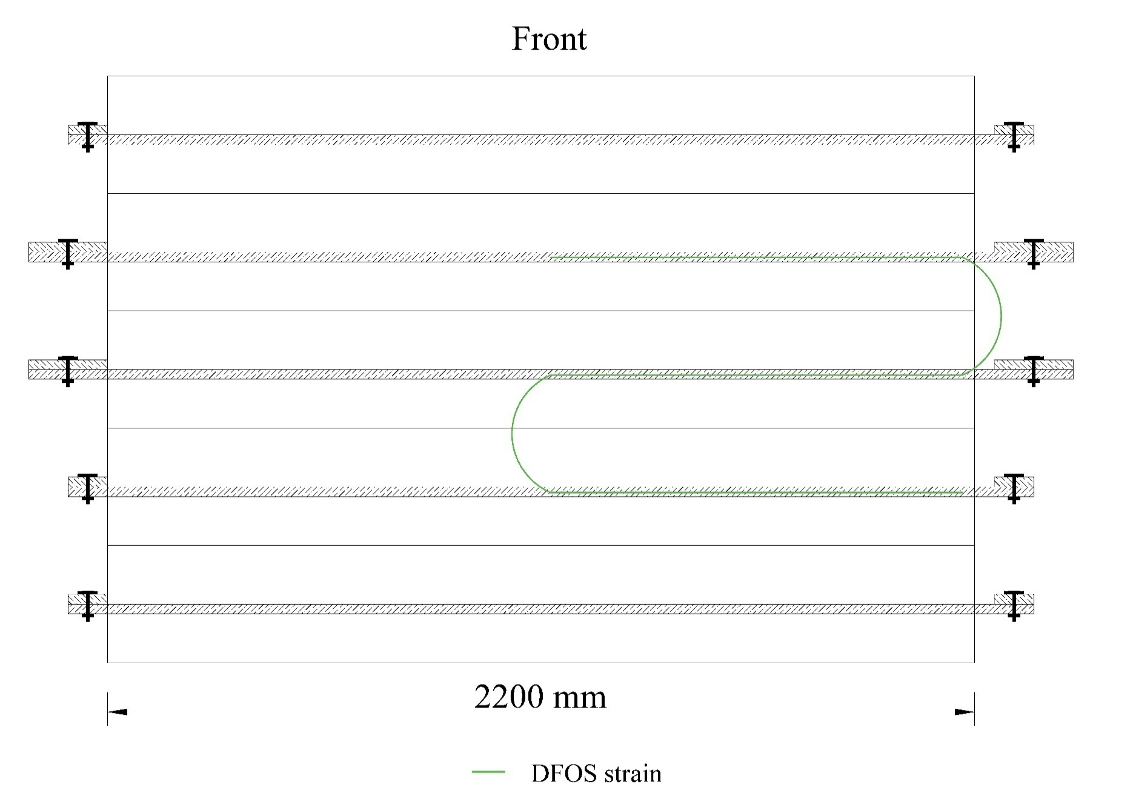
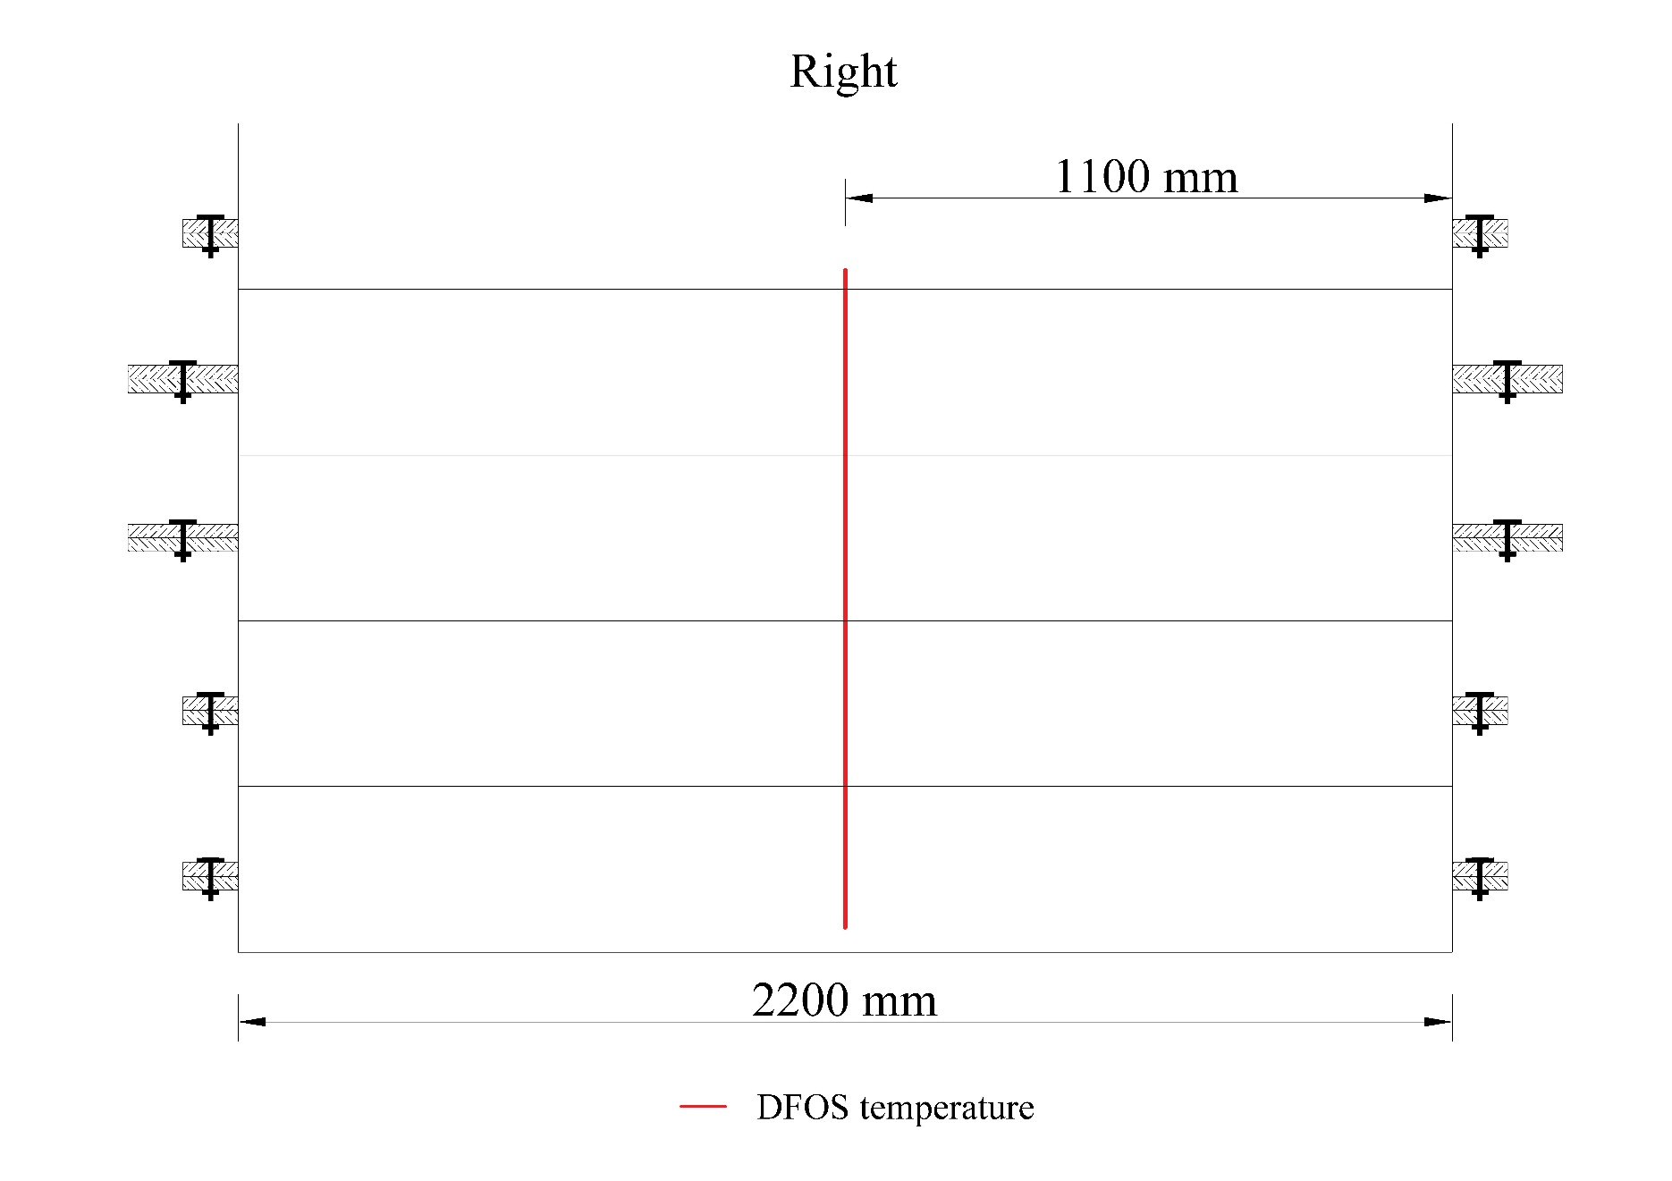
Horizontal in subgrade[11] | -1089.9 | 6.22346 | 488.55 | 0 | -451 | -994.1
Horizontal in subgrade[12] | -1104.1 | 6.22477 | 487.24 | 0 | -448.4 | -990.9
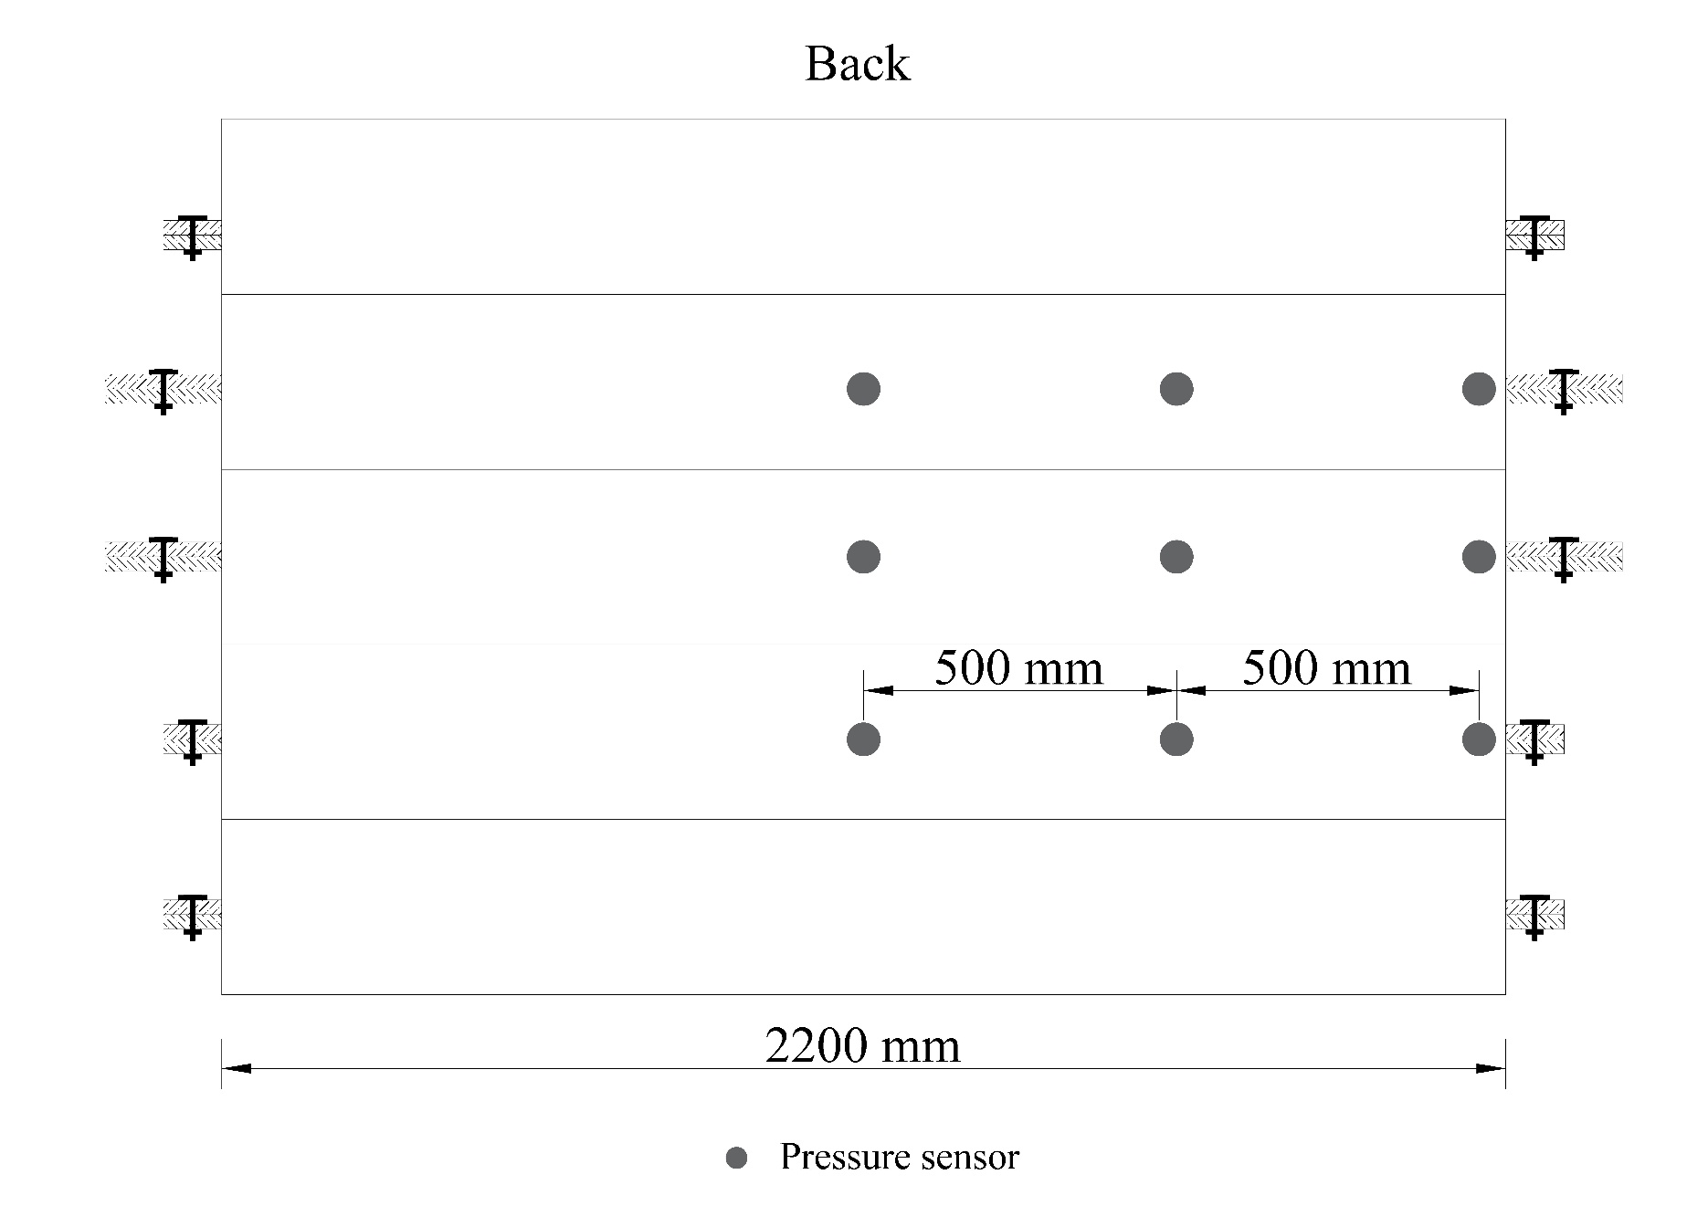
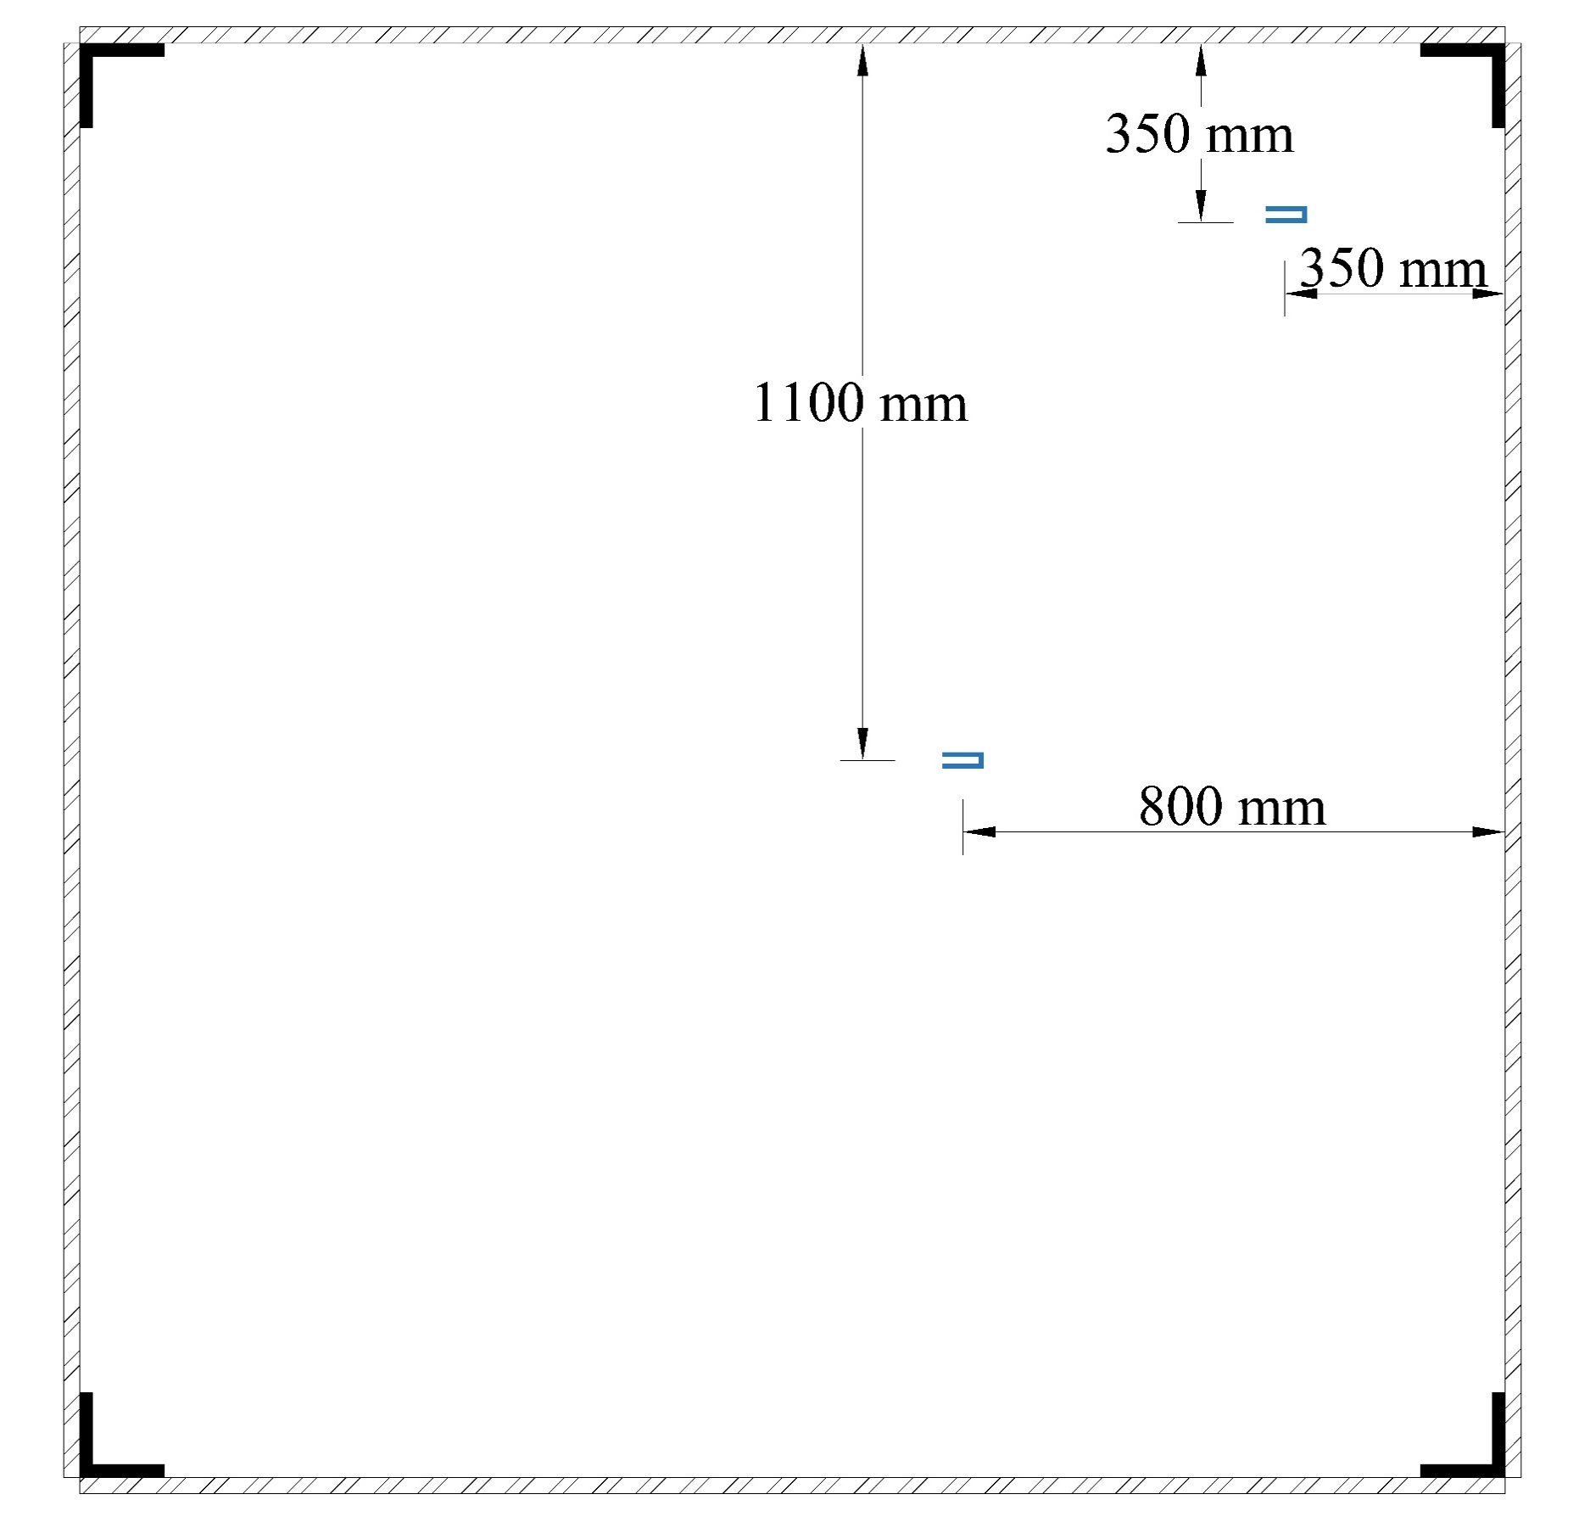
Horizontal in subgrade[13] | -1109.1 | 6.22607 | 485.94 | 0 | -443.3 | -989.9
Horizontal in subgrade[14] | -1119.9 | 6.22738 | 484.63 | 0 | -444.5 | -992.9
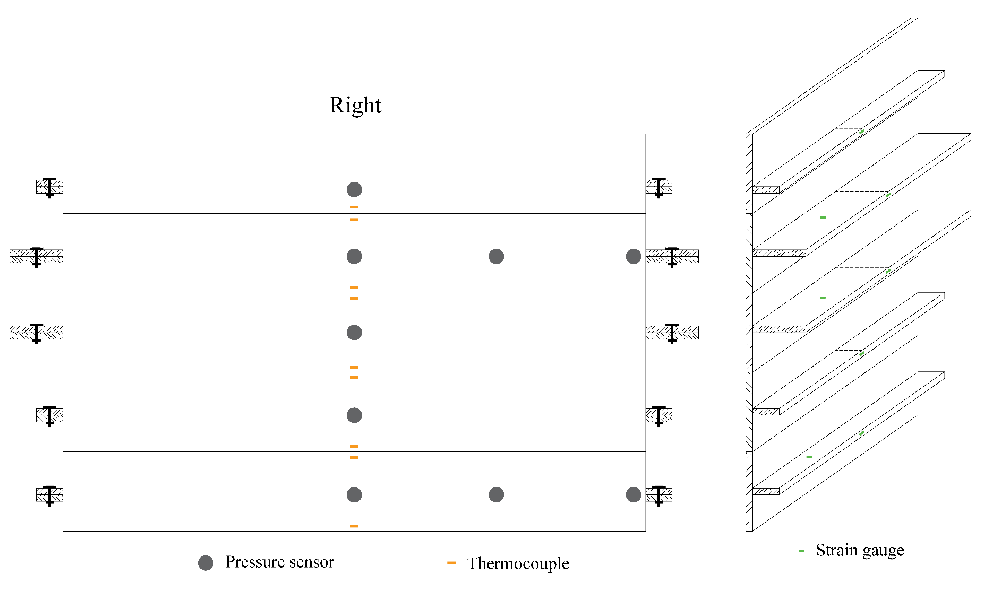
Horizontal in subgrade[15] | -1129.1 | 6.22868 | 483.33 | 0 | -443.1 | -1000.5
Horizontal in subgrade[16] | -1135.5 | 6.22999 | 482.02 | 0 | -443.6 | -1001.4
Horizontal in subgrade[17] | -1147 | 6.2313 | 480.71 | 0 | -442.2 | -1012.5
Horizontal in subgrade[18] | -1159.3 | 6.2326 | 479.41 | 0 | -441.6 | -1017.6
Horizontal in subgrade[19] | -1171.4 | 6.23391 | 478.1 | 0 | -439 | -1024.7
Horizontal in subgrade[20] | -1188.2 | 6.23522 | 476.79 | 0 | -439.3 | -1035
Horizontal in subgrade[21] | -1203.5 | 6.23652 | 475.49 | 0 | -436.9 | -1041.6
Horizontal in subgrade[22] | -1215.7 | 6.23783 | 474.18 | 0 | -438.5 | -1057.3
Horizontal in subgrade[23] | -1227.1 | 6.23914 | 472.87 | 0 | -439 | -1068.6
Horizontal in subgrade[24] | -1236.4 | 6.24044 | 471.57 | 0 | -439.3 | -1083.3
Horizontal in subgrade[25] | -1247 | 6.24175 | 470.26 | 0 | -438.7 | -1097.6
Horizontal in subgrade[26] | -1253.6 | 6.24305 | 468.96 | 0 | -438.4 | -1112.7
Horizontal in subgrade[27] | -1263.6 | 6.24436 | 467.65 | 0 | -435.9 | -1129.9
Horizontal in subgrade[28] | -1274 | 6.24567 | 466.34 | 0 | -440 | -1153.6
Horizontal in subgrade[29] | -1283.7 | 6.24697 | 465.04 | 0 | -440.2 | -1178.7
Horizontal in subgrade[30] | -1294.5 | 6.24828 | 463.73 | 0 | -441.4 | -1194.7
Horizontal in subgrade[31] | -1305.6 | 6.24959 | 462.42 | 0 | -441.3 | -1220
The strain change at the loading area was not uniform as the loading cell was tilted at beginning so the contact was not uniform.
The strain distribution across the entire plane is also not very uniform, with significant deformation observed in the left back corner and the central area of the right side.
Resonable strain? Boundary effect
Bender element-Start to use -quality control (Rong&Subash)
Horizontal in subgrade[32] | -1318.1 | 6.25089 | 461.12 | 0 | -439.4 | -1246.4
Horizontal in subgrade[33] | -1330 | 6.2522 | 459.81 | 0 | -440.9 | -1272.8
Horizontal in subgrade[34] | -1345.8 | 6.2535 | 458.51 | 0 | -441.5 | -1293.9
Horizontal in subgrade[35] | -1357.6 | 6.25481 | 457.2 | 0 | -439.3 | -1327.8
Horizontal in subgrade[36] | -1372.5 | 6.25612 | 455.89 | 0 | -442 | -1349.7
Horizontal in subgrade[37] | -1386.1 | 6.25742 | 454.59 | 0 | -442.1 | -1381.5
Horizontal in subgrade[38] | -1400.2 | 6.25873 | 453.28 | 0 | -442.6 | -1417.7
Horizontal in subgrade[39] | -1413.9 | 6.26004 | 451.97 | 0 | -442.5 | -1452.5
Horizontal in subgrade[40] | -1427.4 | 6.26134 | 450.67 | 0 | -443.4 | -1487.9
Horizontal in subgrade[41] | -1441 | 6.26265 | 449.36 | 0 | -444.8 | -1522.4
Horizontal in subgrade[42] | -1450.7 | 6.26395 | 448.06 | 0 | -444.5 | -1570.3
Horizontal in subgrade[43] | -1459.6 | 6.26526 | 446.75 | 0 | -444.2 | -1610.7
Horizontal in subgrade[44] | -1464.8 | 6.26657 | 445.44 | 0 | -446.5 | -1654.6
Horizontal in subgrade[45] | -1472.3 | 6.26787 | 444.14 | 0 | -445.1 | -1697.1
Horizontal in subgrade[46] | -1477.9 | 6.26918 | 442.83 | 0 | -443.7 | -1744.8
Horizontal in subgrade[47] | -1481.5 | 6.27049 | 441.52 | 0 | -444.5 | -1803.4
Horizontal in subgrade[48] | -1483.5 | 6.27179 | 440.22 | 0 | -443.6 | -1849.5
Horizontal in subgrade[49] | -1483.1 | 6.2731 | 438.91 | 0 | -446.6 | -1897.1
Horizontal in subgrade[50] | -1484.2 | 6.2744 | 437.61 | 0 | -447.6 | -1949.3
Horizontal in subgrade[51] | -1482.8 | 6.27571 | 436.3 | 0 | -451.1 | -1998.7
Horizontal in subgrade[52] | -1480.6 | 6.27702 | 434.99 | 0 | -452.7 | -2056.3
Horizontal in subgrade[53] | -1478.3 | 6.27832 | 433.69 | 0 | -451.3 | -2111.5
Horizontal in subgrade[54] | -1475.1 | 6.27963 | 432.38 | 0 | -451 | -2162.5
Horizontal in subgrade[55] | -1475.1 | 6.28094 | 431.07 | 0 | -453.1 | -2216.3
Horizontal in subgrade[56] | -1471.4 | 6.28224 | 429.77 | 0 | -454.5 | -2271.7
Horizontal in subgrade[57] | -1472.7 | 6.28355 | 428.46 | 0 | -457 | -2323.4 | 400mm temp
Horizontal in subgrade[58] | -1472.9 | 6.28486 | 427.15 | 0 | -458.2 | -2375.2 | 1.185, 1.783, 2.212, 2.719, 3.2312, 3.9514, 4.487, 5.2774
Horizontal in subgrade[59] | -1472.4 | 6.28616 | 425.85 | 0 | -457.2 | -2428.5 | ABCDEFGH
Horizontal in subgrade[60] | -1474.6 | 6.28747 | 424.54 | 0 | -458.5 | -2472.6
Horizontal in subgrade[61] | -1483.4 | 6.28877 | 423.24 | 0 | -456.7 | -2527.9
Horizontal in subgrade[62] | -1492.5 | 6.29008 | 421.93 | 0 | -460.1 | -2572.1
Horizontal in subgrade[63] | -1504.8 | 6.29139 | 420.62 | 0 | -461.6 | -2612.9 | 3.52673, 3.10108, 2.34581, 1.97726, 1.15710
Horizontal in subgrade[64] | -1522.7 | 6.29269 | 419.32 | 0 | -463.9 | -2661.6 | ABCDE
Horizontal in subgrade[65] | -1540 | 6.294 | 418.01 | 0 | -467.3 | -2710.8 | Wall start", 5.26567), ("Wall end", 3.94200
Horizontal in subgrade[66] | -1561.2 | 6.29531 | 416.7 | 0 | -467.2 | -2752.6
Horizontal in subgrade[67] | -1581.6 | 6.29661 | 415.4 | 0 | -467.6 | -2791.8
Horizontal in subgrade[68] | -1607.9 | 6.29792 | 414.09 | 0 | -470.1 | -2842.7
Horizontal in subgrade[69] | -1629.6 | 6.29922 | 412.79 | 0 | -473.7 | -2878.9
Horizontal in subgrade[70] | -1651.8 | 6.30053 | 411.48 | 0 | -470.2 | -2929.1
Horizontal in subgrade[71] | -1670.8 | 6.30184 | 410.17 | 0 | -472.9 | -2958.6
Horizontal in subgrade[72] | -1688.9 | 6.30314 | 408.87 | 0 | -472.7 | -2997.3
Horizontal in subgrade[73] | -1704.8 | 6.30445 | 407.56 | 0 | -478.5 | -3026.4
Horizontal in subgrade[74] | -1715.6 | 6.30576 | 406.25 | 0 | -478.6 | -3063.8
Horizontal in subgrade[75] | -1728.1 | 6.30706 | 404.95 | 0 | -480.4 | -3102.2
Horizontal in subgrade[76] | -1737.8 | 6.30837 | 403.64 | 0 | -481.2 | -3127.6
Horizontal in subgrade[77] | -1748.8 | 6.30967 | 402.34 | 0 | -485.4 | -3151.6
Horizontal in subgrade[78] | -1758.1 | 6.31098 | 401.03 | 0 | -487.9 | -3183.7
Horizontal in subgrade[79] | -1773.7 | 6.31229 | 399.72 | 0 | -490.2 | -3203.1
Horizontal in subgrade[80] | -1786.3 | 6.31359 | 398.42 | 0 | -488.8 | -3222
Horizontal in subgrade[81] | -1806.2 | 6.3149 | 397.11 | 0 | -493.7 | -3243.7
Horizontal in subgrade[82] | -1828.6 | 6.31621 | 395.8 | 0 | -496.6 | -3258.4
Horizontal in subgrade[83] | -1853.4 | 6.31751 | 394.5 | 0 | -497 | -3279.2
Horizontal in subgrade[84] | -1881.4 | 6.31882 | 393.19 | 0 | -496.3 | -3282.4
Horizontal in subgrade[85] | -1910.9 | 6.32012 | 391.89 | 0 | -495 | -3297.2
Horizontal in subgrade[86] | -1943.1 | 6.32143 | 390.58 | 0 | -498.9 | -3298
Horizontal in subgrade[87] | -1979.2 | 6.32274 | 389.27 | 0 | -498.4 | -3298.3
Horizontal in subgrade[88] | -2016.1 | 6.32404 | 387.97 | 0 | -503 | -3305
Horizontal in subgrade[89] | -2056.2 | 6.32535 | 386.66 | 0 | -501 | -3310.9
Horizontal in subgrade[90] | -2098.4 | 6.32666 | 385.35 | 0 | -502.8 | -3314.8
Horizontal in subgrade[91] | -2141.6 | 6.32796 | 384.05 | 0 | -504.8 | -3317.7
Horizontal in subgrade[92] | -2183.9 | 6.32927 | 382.74 | 0 | -503 | -3321.9
Horizontal in subgrade[93] | -2229.9 | 6.33057 | 381.44 | 0 | -503.7 | -3318.1
Horizontal in subgrade[94] | -2273.6 | 6.33188 | 380.13 | 0 | -503.8 | -3312.1
Horizontal in subgrade[95] | -2313.3 | 6.33319 | 378.82 | 0 | -504.8 | -3313.4
Horizontal in subgrade[96] | -2345.2 | 6.33449 | 377.52 | 0 | -505.7 | -3308.3
Horizontal in subgrade[97] | -2371.8 | 6.3358 | 376.21 | 0 | -509.2 | -3299.8
Horizontal in subgrade[98] | -2394.4 | 6.33711 | 374.9 | 0 | -508.5 | -3299.6
Horizontal in subgrade[99] | -2413.3 | 6.33841 | 373.6 | 0 | -513 | -3302.4
Horizontal in subgrade[100] | -2430.4 | 6.33972 | 372.29 | 0 | -513.6 | -3294.3
Horizontal in subgrade[101] | -2446.1 | 6.34103 | 370.98 | 0 | -512.3 | -3275.4
Horizontal in subgrade[102] | -2460.1 | 6.34233 | 369.68 | 0 | -513.2 | -3272
Horizontal in subgrade[103] | -2468.1 | 6.34364 | 368.37 | 0 | -510.5 | -3280.9
Horizontal in subgrade[104] | -2468.1 | 6.34494 | 367.07 | 0 | -520.5 | -3263.8
Horizontal in subgrade[105] | -2449.1 | 6.34625 | 365.76 | 0 | -521.4 | -3266.5
Horizontal in subgrade[106] | -2416.2 | 6.34756 | 364.45 | 0 | -519 | -3258.1
Horizontal in subgrade[107] | -2378.6 | 6.34886 | 363.15 | 0 | -520.8 | -3267.6
Horizontal in subgrade[108] | -2326 | 6.35017 | 361.84 | 0 | -523.2 | -3265.4
Horizontal in subgrade[109] | -2291.6 | 6.35148 | 360.53 | 0 | -524.4 | -3269.1
Horizontal in subgrade[110] | -2264.7 | 6.35278 | 359.23 | 0 | -523.3 | -3261.6
Horizontal in subgrade[111] | -2248.5 | 6.35409 | 357.92 | 0 | -524.2 | -3267
Horizontal in subgrade[112] | -2244.7 | 6.35539 | 356.62 | 0 | -524 | -3263.6
Horizontal in subgrade[113] | -2258.4 | 6.3567 | 355.31 | 0 | -522.9 | -3267.3
Horizontal in subgrade[114] | -2282.6 | 6.35801 | 354 | 0 | -529.4 | -3264.3
Horizontal in subgrade[115] | -2320.9 | 6.35931 | 352.7 | 0 | -532.4 | -3268
Horizontal in subgrade[116] | -2359.9 | 6.36062 | 351.39 | 0 | -537.8 | -3260.5
Horizontal in subgrade[117] | -2402.8 | 6.36193 | 350.08 | 0 | -536.2 | -3266.4
Horizontal in subgrade[118] | -2443.8 | 6.36323 | 348.78 | 0 | -536.6 | -3265.5
Horizontal in subgrade[119] | -2480.3 | 6.36454 | 347.47 | 0 | -536.5 | -3268.8
Horizontal in subgrade[120] | -2512.3 | 6.36584 | 346.17 | 0 | -537.6 | -3273.7
Horizontal in subgrade[121] | -2536.3 | 6.36715 | 344.86 | 0 | -541.7 | -3281.6
Horizontal in subgrade[122] | -2554.7 | 6.36846 | 343.55 | 0 | -542 | -3276.8
Horizontal in subgrade[123] | -2562.6 | 6.36976 | 342.25 | 0 | -538.2 | -3269.6
Horizontal in subgrade[124] | -2564.2 | 6.37107 | 340.94 | 0 | -543 | -3269.6
Horizontal in subgrade[125] | -2563.7 | 6.37238 | 339.63 | 0 | -539.5 | -3268.5
Horizontal in subgrade[126] | -2563.4 | 6.37368 | 338.33 | 0 | -541.7 | -3271.3
Horizontal in subgrade[127] | -2563.5 | 6.37499 | 337.02 | 0 | -538.8 | -3272.4
Horizontal in subgrade[128] | -2567.4 | 6.37629 | 335.72 | 0 | -544.3 | -3268.2
Horizontal in subgrade[129] | -2580.2 | 6.3776 | 334.41 | 0 | -541.8 | -3260.4
Horizontal in subgrade[130] | -2594.2 | 6.37891 | 333.1 | 0 | -544.7 | -3260.7
Horizontal in subgrade[131] | -2612.2 | 6.38021 | 331.8 | 0 | -542.7 | -3257
Horizontal in subgrade[132] | -2632.9 | 6.38152 | 330.49 | 0 | -541.3 | -3251.7
Horizontal in subgrade[133] | -2653.3 | 6.38283 | 329.18 | 0 | -542.1 | -3250.2
Horizontal in subgrade[134] | -2671.7 | 6.38413 | 327.88 | 0 | -546.5 | -3255.5
Horizontal in subgrade[135] | -2690.7 | 6.38544 | 326.57 | 0 | -545.4 | -3247.9
Horizontal in subgrade[136] | -2706.6 | 6.38675 | 325.26 | 0 | -546.5 | -3233
Horizontal in subgrade[137] | -2716.9 | 6.38805 | 323.96 | 0 | -544.7 | -3230.5
Horizontal in subgrade[138] | -2725.1 | 6.38936 | 322.65 | 0 | -548.1 | -3230.3
Horizontal in subgrade[139] | -2732.1 | 6.39066 | 321.35 | 0 | -547 | -3219.1
Horizontal in subgrade[140] | -2737.8 | 6.39197 | 320.04 | 0 | -549.4 | -3205.1
Horizontal in subgrade[141] | -2739.4 | 6.39328 | 318.73 | 0 | -549.5 | -3197.3
Horizontal in subgrade[142] | -2741.3 | 6.39458 | 317.43 | 0 | -550.3 | -3184.3
Horizontal in subgrade[143] | -2745.6 | 6.39589 | 316.12 | 0 | -548.8 | -3151.5
Horizontal in subgrade[144] | -2748.4 | 6.3972 | 314.81 | 0 | -550 | -3141.3
Horizontal in subgrade[145] | -2754.4 | 6.3985 | 313.51 | 0 | -547.3 | -3117.7
Horizontal in subgrade[146] | -2763.6 | 6.39981 | 312.2 | 0 | -548.4 | -3095.1
Horizontal in subgrade[147] | -2777.4 | 6.40111 | 310.9 | 0 | -549.2 | -3068.1
Horizontal in subgrade[148] | -2787.4 | 6.40242 | 309.59 | 0 | -551.9 | -3038.1
Horizontal in subgrade[149] | -2797.3 | 6.40373 | 308.28 | 0 | -550.8 | -3005
Horizontal in subgrade[150] | -2809.5 | 6.40503 | 306.98 | 0 | -547.6 | -2974.6
Horizontal in subgrade[151] | -2822.3 | 6.40634 | 305.67 | 0 | -547.8 | -2936.3
Horizontal in subgrade[152] | -2832.1 | 6.40765 | 304.36 | 0 | -543.8 | -2891
Horizontal in subgrade[153] | -2841.4 | 6.40895 | 303.06 | 0 | -541.4 | -2855.2
Horizontal in subgrade[154] | -2854.7 | 6.41026 | 301.75 | 0 | -538.1 | -2816.5
Horizontal in subgrade[155] | -2862.8 | 6.41156 | 300.45 | 0 | -537.8 | -2777
Horizontal in subgrade[156] | -2866.5 | 6.41287 | 299.14 | 0 | -533.9 | -2727.7
Horizontal in subgrade[157] | -2866.5 | 6.41418 | 297.83 | 0 | -532.1 | -2674.1
Horizontal in subgrade[158] | -2868.1 | 6.41548 | 296.53 | 0 | -534 | -2633.3
Horizontal in subgrade[159] | -2867.3 | 6.41679 | 295.22 | 0 | -531.5 | -2598
Horizontal in subgrade[160] | -2859.7 | 6.4181 | 293.91 | 0 | -526.9 | -2561.4
Horizontal in subgrade[161] | -2854.3 | 6.4194 | 292.61 | 0 | -520.8 | -2518.8
Horizontal in subgrade[162] | -2841.5 | 6.42071 | 291.3 | 0 | -523.3 | -2476.5
Horizontal in subgrade[163] | -2826.2 | 6.42201 | 290 | 0 | -522.5 | -2440.9
Horizontal in subgrade[164] | -2808.6 | 6.42332 | 288.69 | 0 | -520.7 | -2408.4
Horizontal in subgrade[165] | -2791.9 | 6.42463 | 287.38 | 0 | -517.2 | -2376.6
Horizontal in subgrade[166] | -2773.1 | 6.42593 | 286.08 | 0 | -513.6 | -2332.1
Horizontal in subgrade[167] | -2751.3 | 6.42724 | 284.77 | 0 | -516 | -2310.7
Horizontal in subgrade[168] | -2725.9 | 6.42855 | 283.46 | 0 | -515.1 | -2286.2
Horizontal in subgrade[169] | -2702 | 6.42985 | 282.16 | 0 | -509.7 | -2258.5
Horizontal in subgrade[170] | -2674.2 | 6.43116 | 280.85 | 0 | -505.9 | -2225.9
Horizontal in subgrade[171] | -2640.9 | 6.43247 | 279.54 | 0 | -505.8 | -2199.5
Horizontal in subgrade[172] | -2603.7 | 6.43377 | 278.24 | 0 | -503.1 | -2178.3
Horizontal in subgrade[173] | -2564.5 | 6.43508 | 276.93 | 0 | -500.6 | -2164.7
Horizontal in subgrade[174] | -2523.5 | 6.43638 | 275.63 | 0 | -497.9 | -2150.8
Horizontal in subgrade[175] | -2482.3 | 6.43769 | 274.32 | 0 | -496.5 | -2128.4
Horizontal in subgrade[176] | -2439.4 | 6.439 | 273.01 | 0 | -495.5 | -2116.5
Horizontal in subgrade[177] | -2399.5 | 6.4403 | 271.71 | 0 | -493.1 | -2096.2
Horizontal in subgrade[178] | -2362.3 | 6.44161 | 270.4 | 0 | -492.8 | -2079.4
Horizontal in subgrade[179] | -2329.3 | 6.44292 | 269.09 | 0 | -492.7 | -2069.6
Horizontal in subgrade[180] | -2301.9 | 6.44422 | 267.79 | 0 | -491.5 | -2067
Horizontal in subgrade[181] | -2280.1 | 6.44553 | 266.48 | 0 | -489.9 | -2052
Horizontal in subgrade[182] | -2268.4 | 6.44683 | 265.18 | 0 | -492.8 | -2053.6
Horizontal in subgrade[183] | -2264.4 | 6.44814 | 263.87 | 0 | -491.6 | -2046.3
Horizontal in subgrade[184] | -2267.7 | 6.44945 | 262.56 | 0 | -490.2 | -2036.7
Horizontal in subgrade[185] | -2276.5 | 6.45075 | 261.26 | 0 | -487.6 | -2030.1
Horizontal in subgrade[186] | -2295.7 | 6.45206 | 259.95 | 0 | -486.3 | -2028.7
Horizontal in subgrade[187] | -2322 | 6.45337 | 258.64 | 0 | -484.7 | -2014.3
Horizontal in subgrade[188] | -2352.1 | 6.45467 | 257.34 | 0 | -486.6 | -2007.3
Horizontal in subgrade[189] | -2386.7 | 6.45598 | 256.03 | 0 | -487.5 | -2004.9
Horizontal in subgrade[190] | -2420.8 | 6.45728 | 254.73 | 0 | -488.1 | -2007.1
Horizontal in subgrade[191] | -2456.9 | 6.45859 | 253.42 | 0 | -486.2 | -2004.3
Horizontal in subgrade[192] | -2491 | 6.4599 | 252.11 | 0 | -482.9 | -1994.5
Horizontal in subgrade[193] | -2522.4 | 6.4612 | 250.81 | 0 | -483.4 | -1994
Horizontal in subgrade[194] | -2553.1 | 6.46251 | 249.5 | 0 | -484.1 | -1991.2
Horizontal in subgrade[195] | -2571 | 6.46382 | 248.19 | 0 | -486.4 | -1994
Horizontal in subgrade[196] | -2587.3 | 6.46512 | 246.89 | 0 | -485.2 | -1990.8
Horizontal in subgrade[197] | -2595.7 | 6.46643 | 245.58 | 0 | -485.5 | -1992.8
Horizontal in subgrade[198] | -2602.3 | 6.46773 | 244.28 | 0 | -483.4 | -1983.2
Horizontal in subgrade[199] | -2602.5 | 6.46904 | 242.97 | 0 | -483.3 | -1982.5
Horizontal in subgrade[200] | -2599.9 | 6.47035 | 241.66 | 0 | -482.7 | -1983
Horizontal in subgrade[201] | -2600.4 | 6.47165 | 240.36 | 0 | -482.1 | -1980
Horizontal in subgrade[202] | -2595.6 | 6.47296 | 239.05 | 0 | -482.8 | -1969.7
Horizontal in subgrade[203] | -2600.5 | 6.47427 | 237.74 | 0 | -484.3 | -1962.3
Horizontal in subgrade[204] | -2609.2 | 6.47557 | 236.44 | 0 | -486.4 | -1970.9
Horizontal in subgrade[205] | -2618 | 6.47688 | 235.13 | 0 | -488.4 | -1962.9
Horizontal in subgrade[206] | -2631.2 | 6.47819 | 233.82 | 0 | -477.9 | -1946.6
Horizontal in subgrade[207] | -2651.6 | 6.47949 | 232.52 | 0 | -480.4 | -1938.9
Horizontal in subgrade[208] | -2673.6 | 6.4808 | 231.21 | 0 | -478.8 | -1934.2
Horizontal in subgrade[209] | -2692.2 | 6.4821 | 229.91 | 0 | -481.3 | -1929.6
Horizontal in subgrade[210] | -2706.3 | 6.48341 | 228.6 | 0 | -481.5 | -1929.6
Horizontal in subgrade[211] | -2723.4 | 6.48472 | 227.29 | 0 | -475.6 | -1927.2
Horizontal in subgrade[212] | -2742.3 | 6.48602 | 225.99 | 0 | -476.1 | -1916.2
Horizontal in subgrade[213] | -2755.8 | 6.48733 | 224.68 | 0 | -477.2 | -1917.4
Horizontal in subgrade[214] | -2774.8 | 6.48864 | 223.37 | 0 | -476.8 | -1912.5
Horizontal in subgrade[215] | -2790.3 | 6.48994 | 222.07 | 0 | -477.8 | -1907.5
Horizontal in subgrade[216] | -2814.7 | 6.49125 | 220.76 | 0 | -477.1 | -1905.9
Horizontal in subgrade[217] | -2843.7 | 6.49255 | 219.46 | 0 | -478.3 | -1912.1
Horizontal in subgrade[218] | -2874.6 | 6.49386 | 218.15 | 0 | -475.1 | -1908.1
Horizontal in subgrade[219] | -2909.5 | 6.49517 | 216.84 | 0 | -472.4 | -1906.7
Horizontal in subgrade[220] | -2944 | 6.49647 | 215.54 | 0 | -475.9 | -1905.2
Horizontal in subgrade[221] | -2974.9 | 6.49778 | 214.23 | 0 | -476.4 | -1912.2
Horizontal in subgrade[222] | -2990.8 | 6.49909 | 212.92 | 0 | -477 | -1910.1
Horizontal in subgrade[223] | -2990 | 6.50039 | 211.62 | 0 | -474.8 | -1905.7
Horizontal in subgrade[224] | -2972.8 | 6.5017 | 210.31 | 0 | -474.5 | -1915.9
Horizontal in subgrade[225] | -2936.2 | 6.503 | 209.01 | 0 | -473.7 | -1922.7
Horizontal in subgrade[226] | -2912.4 | 6.50431 | 207.7 | 0 | -471.3 | -1913.8
Horizontal in subgrade[227] | -2889.5 | 6.50562 | 206.39 | 0 | -476.3 | -1918.8
Horizontal in subgrade[228] | -2881.6 | 6.50692 | 205.09 | 0 | -480 | -1927.2
Horizontal in subgrade[229] | -2879.8 | 6.50823 | 203.78 | 0 | -478.7 | -1933.6
Horizontal in subgrade[230] | -2889.2 | 6.50954 | 202.47 | 0 | -479.8 | -1937.3
Horizontal in subgrade[231] | -2903.7 | 6.51084 | 201.17 | 0 | -480.4 | -1933.9
Horizontal in subgrade[232] | -2923.3 | 6.51215 | 199.86 | 0 | -478.9 | -1918.3
Horizontal in subgrade[233] | -2936.1 | 6.51345 | 198.56 | 0 | -478.6 | -1917
Horizontal in subgrade[234] | -2946.8 | 6.51476 | 197.25 | 0 | -478.9 | -1920.9
Horizontal in subgrade[235] | -2952.3 | 6.51607 | 195.94 | 0 | -476.4 | -1915.9
Horizontal in subgrade[236] | -2952.4 | 6.51737 | 194.64 | 0 | -479.6 | -1912
Horizontal in subgrade[237] | -2948.6 | 6.51868 | 193.33 | 0 | -477.8 | -1905.7
Horizontal in subgrade[238] | -2942.7 | 6.51999 | 192.02 | 0 | -476.2 | -1902.9
Horizontal in subgrade[239] | -2934.4 | 6.52129 | 190.72 | 0 | -479.3 | -1902.4
Horizontal in subgrade[240] | -2928.8 | 6.5226 | 189.41 | 0 | -479.8 | -1900.7
Horizontal in subgrade[241] | -2923.2 | 6.52391 | 188.1 | 0 | -481.6 | -1894.6
Horizontal in subgrade[242] | -2918 | 6.52521 | 186.8 | 0 | -481.4 | -1886.3
Horizontal in subgrade[243] | -2908.9 | 6.52652 | 185.49 | 0 | -479.6 | -1883.7
Horizontal in subgrade[244] | -2898.8 | 6.52782 | 184.19 | 0 | -480.8 | -1875.4
Horizontal in subgrade[245] | -2889 | 6.52913 | 182.88 | 0 | -479.7 | -1878.3
Horizontal in subgrade[246] | -2876.3 | 6.53044 | 181.57 | 0 | -480.3 | -1880.5
Horizontal in subgrade[247] | -2863.2 | 6.53174 | 180.27 | 0 | -481.5 | -1873.3
Horizontal in subgrade[248] | -2849 | 6.53305 | 178.96 | 0 | -482.5 | -1864.2
Horizontal in subgrade[249] | -2827.9 | 6.53436 | 177.65 | 0 | -481 | -1851.9
Horizontal in subgrade[250] | -2807 | 6.53566 | 176.35 | 0 | -479.5 | -1856.4
Horizontal in subgrade[251] | -2783.8 | 6.53697 | 175.04 | 0 | -481.3 | -1847.6
Horizontal in subgrade[252] | -2764 | 6.53827 | 173.74 | 0 | -477.3 | -1846.5
Horizontal in subgrade[253] | -2744.5 | 6.53958 | 172.43 | 0 | -480 | -1839.7
Horizontal in subgrade[254] | -2720.6 | 6.54089 | 171.12 | 0 | -477.9 | -1833.9
Horizontal in subgrade[255] | -2700.3 | 6.54219 | 169.82 | 0 | -473.7 | -1826.3
Horizontal in subgrade[256] | -2679.9 | 6.5435 | 168.51 | 0 | -480.3 | -1829.5
Horizontal in subgrade[257] | -2661.1 | 6.54481 | 167.2 | 0 | -477.2 | -1818.9
Horizontal in subgrade[258] | -2637.8 | 6.54611 | 165.9 | 0 | -475.6 | -1804.4
Horizontal in subgrade[259] | -2614.2 | 6.54742 | 164.59 | 0 | -475.8 | -1801.8
Horizontal in subgrade[260] | -2588.5 | 6.54872 | 163.29 | 0 | -476.8 | -1807.7
Horizontal in subgrade[261] | -2561.4 | 6.55003 | 161.98 | 0 | -478.9 | -1801.1
Horizontal in subgrade[262] | -2530.7 | 6.55134 | 160.67 | 0 | -476.7 | -1794.8
Horizontal in subgrade[263] | -2490.9 | 6.55264 | 159.37 | 0 | -478.5 | -1791.9
Horizontal in subgrade[264] | -2445.9 | 6.55395 | 158.06 | 0 | -478.5 | -1783.2
Horizontal in subgrade[265] | -2393.2 | 6.55526 | 156.75 | 0 | -476.9 | -1776.6
Horizontal in subgrade[266] | -2342.2 | 6.55656 | 155.45 | 0 | -476 | -1765.8
Horizontal in subgrade[267] | -2292.3 | 6.55787 | 154.14 | 0 | -473.7 | -1774.3
Horizontal in subgrade[268] | -2243.9 | 6.55917 | 152.84 | 0 | -472.1 | -1772.9
Horizontal in subgrade[269] | -2200.9 | 6.56048 | 151.53 | 0 | -473.9 | -1764.6
Horizontal in subgrade[270] | -2162.9 | 6.56179 | 150.22 | 0 | -477.2 | -1758
Horizontal in subgrade[271] | -2130.8 | 6.56309 | 148.92 | 0 | -475.9 | -1760.6
Horizontal in subgrade[272] | -2106.6 | 6.5644 | 147.61 | 0 | -474.7 | -1756.2
Horizontal in subgrade[273] | -2086 | 6.56571 | 146.3 | 0 | -474.5 | -1752.7
Horizontal in subgrade[274] | -2065 | 6.56701 | 145 | 0 | -473.5 | -1746
Horizontal in subgrade[275] | -2042.6 | 6.56832 | 143.69 | 0 | -474 | -1736.6
Horizontal in subgrade[276] | -2014 | 6.56963 | 142.38 | 0 | -475.1 | -1727.9
Horizontal in subgrade[277] | -1976.9 | 6.57093 | 141.08 | 0 | -470.3 | -1723.9
Horizontal in subgrade[278] | -1935.6 | 6.57224 | 139.77 | 0 | -470.3 | -1717.6
Horizontal in subgrade[279] | -1879.7 | 6.57354 | 138.47 | 0 | -472.7 | -1711.2
Horizontal in subgrade[280] | -1820 | 6.57485 | 137.16 | 0 | -474.4 | -1708.2
Horizontal in subgrade[281] | -1751.9 | 6.57616 | 135.85 | 0 | -472.7 | -1709.7
Horizontal in subgrade[282] | -1678.6 | 6.57746 | 134.55 | 0 | -470.4 | -1699.8
Horizontal in subgrade[283] | -1600.5 | 6.57877 | 133.24 | 0 | -470.6 | -1703
Horizontal in subgrade[284] | -1521.1 | 6.58008 | 131.93 | 0 | -473 | -1699.3
Horizontal in subgrade[285] | -1440.6 | 6.58138 | 130.63 | 0 | -473.1 | -1697.6
Horizontal in subgrade[286] | -1367.7 | 6.58269 | 129.32 | 0 | -470.3 | -1693
Horizontal in subgrade[287] | -1303.7 | 6.58399 | 128.02 | 0 | -471.7 | -1687.5
Horizontal in subgrade[288] | -1254.2 | 6.5853 | 126.71 | 0 | -474.9 | -1688.8
Horizontal in subgrade[289] | -1221.7 | 6.58661 | 125.4 | 0 | -468.8 | -1683.6
Horizontal in subgrade[290] | -1207 | 6.58791 | 124.1 | 0 | -469.8 | -1684.4
Horizontal in subgrade[291] | -1212.5 | 6.58922 | 122.79 | 0 | -468.4 | -1672.5
Horizontal in subgrade[292] | -1241.2 | 6.59053 | 121.48 | 0 | -472.3 | -1682.4
Horizontal in subgrade[293] | -1277.5 | 6.59183 | 120.18 | 0 | -470.7 | -1686.1
Horizontal in subgrade[294] | -1323 | 6.59314 | 118.87 | 0 | -471.1 | -1680.8
Horizontal in subgrade[295] | -1375.9 | 6.59444 | 117.57 | 0 | -474 | -1672.8
Horizontal in subgrade[296] | -1433.8 | 6.59575 | 116.26 | 0 | -471.5 | -1674.1
Horizontal in subgrade[297] | -1492.5 | 6.59706 | 114.95 | 0 | -469.2 | -1671.6
Horizontal in subgrade[298] | -1551.9 | 6.59836 | 113.65 | 0 | -468.9 | -1673.1
Horizontal in subgrade[299] | -1607 | 6.59967 | 112.34 | 0 | -469.8 | -1669.2
Horizontal in subgrade[300] | -1656.2 | 6.60098 | 111.03 | 0 | -467 | -1671.3
Horizontal in subgrade[301] | -1699.8 | 6.60228 | 109.73 | 0 | -469.1 | -1673.2
Horizontal in subgrade[302] | -1736.5 | 6.60359 | 108.42 | 0 | -469.8 | -1673.4
Horizontal in subgrade[303] | -1763.7 | 6.60489 | 107.12 | 0 | -471 | -1665.8
Horizontal in subgrade[304] | -1784.9 | 6.6062 | 105.81 | 0 | -471.1 | -1665.4
Horizontal in subgrade[305] | -1802.7 | 6.60751 | 104.5 | 0 | -467.9 | -1665.3
Horizontal in subgrade[306] | -1816.7 | 6.60881 | 103.2 | 0 | -465.8 | -1669.8
Horizontal in subgrade[307] | -1829.2 | 6.61012 | 101.89 | 0 | -466.1 | -1668.6
Horizontal in subgrade[308] | -1848.7 | 6.61143 | 100.58 | 0 | -464.1 | -1667.8
Horizontal in subgrade[309] | -1873.2 | 6.61273 | 99.28 | 0 | -462.3 | -1670.8
Horizontal in subgrade[310] | -1904.9 | 6.61404 | 97.97 | 0 | -459.5 | -1677.2
Horizontal in subgrade[311] | -1944.5 | 6.61535 | 96.66 | 0 | -460.1 | -1678.6
Horizontal in subgrade[312] | -1998.3 | 6.61665 | 95.36 | 0 | -451.4 | -1681.9
Horizontal in subgrade[313] | -2055.8 | 6.61796 | 94.05 | 0 | -459.2 | -1690.1
Horizontal in subgrade[314] | -2118.6 | 6.61926 | 92.75 | 0 | -452.1 | -1692.6
Horizontal in subgrade[315] | -2181.8 | 6.62057 | 91.44 | 0 | -452.5 | -1713.5
Horizontal in subgrade[316] | -2246.4 | 6.62188 | 90.13 | 0 | -450.2 | -1720.9
Horizontal in subgrade[317] | -2314.9 | 6.62318 | 88.83 | 0 | -447.5 | -1728.2
Horizontal in subgrade[318] | -2381.4 | 6.62449 | 87.52 | 0 | -449.1 | -1727.7
Horizontal in subgrade[319] | -2444.6 | 6.6258 | 86.21 | 0 | -447 | -1740.6
Horizontal in subgrade[320] | -2505.4 | 6.6271 | 84.91 | 0 | -443.9 | -1763.9
Horizontal in subgrade[321] | -2558.5 | 6.62841 | 83.6 | 0 | -443.6 | -1762.4
Horizontal in subgrade[322] | -2609 | 6.62971 | 82.3 | 0 | -442.3 | -1772
Horizontal in subgrade[323] | -2655.1 | 6.63102 | 80.99 | 0 | -444.2 | -1778.7
Horizontal in subgrade[324] | -2693 | 6.63233 | 79.68 | 0 | -440.3 | -1775.5
Horizontal in subgrade[325] | -2725.1 | 6.63363 | 78.38 | 0 | -437.5 | -1776.9
Horizontal in subgrade[326] | -2751.5 | 6.63494 | 77.07 | 0 | -438.9 | -1781.1
Horizontal in subgrade[327] | -2765.4 | 6.63625 | 75.76 | 0 | -441.3 | -1797.4
Horizontal in subgrade[328] | -2775.9 | 6.63755 | 74.46 | 0 | -441.9 | -1797.4
Horizontal in subgrade[329] | -2779.1 | 6.63886 | 73.15 | 0 | -438.9 | -1799.1
Horizontal in subgrade[330] | -2779.8 | 6.64016 | 71.85 | 0 | -439.9 | -1802.5
Horizontal in subgrade[331] | -2777.7 | 6.64147 | 70.54 | 0 | -439.5 | -1805.1
Horizontal in subgrade[332] | -2769.2 | 6.64278 | 69.23 | 0 | -441.1 | -1809.5
Horizontal in subgrade[333] | -2762.5 | 6.64408 | 67.93 | 0 | -442.2 | -1808.6
Horizontal in subgrade[334] | -2755.1 | 6.64539 | 66.62 | 0 | -446 | -1816.4
Horizontal in subgrade[335] | -2751.2 | 6.6467 | 65.31 | 0 | -445.9 | -1810.3
Horizontal in subgrade[336] | -2745.7 | 6.648 | 64.01 | 0 | -448.4 | -1807.7
Horizontal in subgrade[337] | -2741.4 | 6.64931 | 62.7 | 0 | -450.3 | -1815.1
Horizontal in subgrade[338] | -2741.6 | 6.65061 | 61.4 | 0 | -450.2 | -1815.1
Horizontal in subgrade[339] | -2735.2 | 6.65192 | 60.09 | 0 | -446.4 | -1814.2
Horizontal in subgrade[340] | -2733.1 | 6.65323 | 58.78 | 0 | -451.3 | -1811.4
Horizontal in subgrade[341] | -2727.6 | 6.65453 | 57.48 | 0 | -454.4 | -1810.9
Horizontal in subgrade[342] | -2723.5 | 6.65584 | 56.17 | 0 | -457.7 | -1821.2
Horizontal in subgrade[343] | -2720 | 6.65715 | 54.86 | 0 | -456.7 | -1824.1
Horizontal in subgrade[344] | -2714.3 | 6.65845 | 53.56 | 0 | -460 | -1830.5
Horizontal in subgrade[345] | -2711.7 | 6.65976 | 52.25 | 0 | -457.9 | -1829.4
Horizontal in subgrade[346] | -2707.8 | 6.66107 | 50.94 | 0 | -461.9 | -1826.4
Horizontal in subgrade[347] | -2703.9 | 6.66237 | 49.64 | 0 | -459.5 | -1823.4
Horizontal in subgrade[348] | -2700.9 | 6.66368 | 48.33 | 0 | -463.9 | -1821.1
Horizontal in subgrade[349] | -2697 | 6.66498 | 47.03 | 0 | -469.5 | -1833.2
Horizontal in subgrade[350] | -2691.3 | 6.66629 | 45.72 | 0 | -466.2 | -1834
Horizontal in subgrade[351] | -2686.1 | 6.6676 | 44.41 | 0 | -465.1 | -1830.4
Horizontal in subgrade[352] | -2684.8 | 6.6689 | 43.11 | 0 | -462.4 | -1827.5
Horizontal in subgrade[353] | -2683.3 | 6.67021 | 41.8 | 0 | -466.8 | -1827.9
Horizontal in subgrade[354] | -2684.5 | 6.67152 | 40.49 | 0 | -463 | -1830.4
Horizontal in subgrade[355] | -2681.3 | 6.67282 | 39.19 | 0 | -464.5 | -1839.4
Horizontal in subgrade[356] | -2678.7 | 6.67413 | 37.88 | 0 | -466.8 | -1833.7
Horizontal in subgrade[357] | -2671.5 | 6.67543 | 36.58 | 0 | -465.8 | -1831.3
Horizontal in subgrade[358] | -2660.1 | 6.67674 | 35.27 | 0 | -465.9 | -1831
Horizontal in subgrade[359] | -2643.8 | 6.67805 | 33.96 | 0 | -467.7 | -1840.4
Horizontal in subgrade[360] | -2633.2 | 6.67935 | 32.66 | 0 | -466.1 | -1838.2
Horizontal in subgrade[361] | -2625.5 | 6.68066 | 31.35 | 0 | -464.7 | -1838.9
Horizontal in subgrade[362] | -2616.4 | 6.68197 | 30.04 | 0 | -468.6 | -1844.2
Horizontal in subgrade[363] | -2608.8 | 6.68327 | 28.74 | 0 | -465.5 | -1848.1
Horizontal in subgrade[364] | -2606.3 | 6.68458 | 27.43 | 0 | -468 | -1853.5
Horizontal in subgrade[365] | -2605.1 | 6.68588 | 26.13 | 0 | -467.3 | -1859
Horizontal in subgrade[366] | -2603.9 | 6.68719 | 24.82 | 0 | -463.8 | -1867.2
Horizontal in subgrade[367] | -2601 | 6.6885 | 23.51 | 0 | -463.9 | -1862.1
Horizontal in subgrade[368] | -2597.4 | 6.6898 | 22.21 | 0 | -462.9 | -1862.1
Horizontal in subgrade[369] | -2587.6 | 6.69111 | 20.9 | 0 | -465.2 | -1862.8
Horizontal in subgrade[370] | -2574.9 | 6.69242 | 19.59 | 0 | -467.6 | -1872.2
Horizontal in subgrade[371] | -2561.6 | 6.69372 | 18.29 | 0 | -464.3 | -1876.5
Horizontal in subgrade[372] | -2550.2 | 6.69503 | 16.98 | 0 | -467 | -1880.7
Horizontal in subgrade[373] | -2538.7 | 6.69633 | 15.68 | 0 | -463.6 | -1877.1
Horizontal in subgrade[374] | -2526.1 | 6.69764 | 14.37 | 0 | -462 | -1875.7
Horizontal in subgrade[375] | -2509.1 | 6.69895 | 13.06 | 0 | -462.1 | -1883.1
Horizontal in subgrade[376] | -2492.4 | 6.70025 | 11.76 | 0 | -467.7 | -1890.7
Horizontal in subgrade[377] | -2474 | 6.70156 | 10.45 | 0 | -467.6 | -1890
Horizontal in subgrade[378] | -2460.1 | 6.70287 | 9.14 | 0 | -465.9 | -1883.5
Horizontal in subgrade[379] | -2443.8 | 6.70417 | 7.84 | 0 | -467.2 | -1884.8
Horizontal in subgrade[380] | -2432.2 | 6.70548 | 6.53 | 0 | -468.3 | -1886.3
Horizontal in subgrade[381] | -2418.4 | 6.70679 | 5.22 | 0 | -466.9 | -1890.1
Horizontal in subgrade[382] | -2410.6 | 6.70809 | 3.92 | 0 | -468.1 | -1886.4
Horizontal in subgrade[383] | -2403.8 | 6.7094 | 2.61 | 0 | -464.9 | -1888.6
Horizontal in subgrade[384] | -2404.4 | 6.7107 | 1.31 | 0 | -461.2 | -1882.5
Horizontal in subgrade[385] | -2407.1 | 6.71201 | 0 | 0 | -465.5 | -1885.9
Horizontal in subgrade[386] | -2417.1 | 6.71332 | 0 | 1.81 | -463.8 | -1882.6
Horizontal in subgrade[387] | -2428.8 | 6.71462 | 0 | 3.11 | -462.7 | -1878
Horizontal in subgrade[388] | -2444.9 | 6.71593 | 0 | 4.42 | -462.5 | -1867.3
Horizontal in subgrade[389] | -2462.8 | 6.71724 | 0 | 5.73 | -462.6 | -1875.7
Horizontal in subgrade[390] | -2478.1 | 6.71854 | 0 | 7.03 | -462.9 | -1877.3
Horizontal in subgrade[391] | -2486.7 | 6.71985 | 0 | 8.34 | -462.7 | -1871.9
Horizontal in subgrade[392] | -2491.8 | 6.72115 | 0 | 9.64 | -461.4 | -1860.7
Horizontal in subgrade[393] | -2494.8 | 6.72246 | 0 | 10.95 | -459.3 | -1862.4
Horizontal in subgrade[394] | -2491.6 | 6.72377 | 0 | 12.26 | -460.9 | -1853.4
Horizontal in subgrade[395] | -2483 | 6.72507 | 0 | 13.56 | -458.9 | -1847.2
Horizontal in subgrade[396] | -2470.6 | 6.72638 | 0 | 14.87 | -460.2 | -1838.8
Horizontal in subgrade[397] | -2457.8 | 6.72769 | 0 | 16.18 | -459 | -1832.3
Horizontal in subgrade[398] | -2436.7 | 6.72899 | 0 | 17.48 | -459 | -1827.1
Horizontal in subgrade[399] | -2415.4 | 6.7303 | 0 | 18.79 | -456.6 | -1814.6
Horizontal in subgrade[400] | -2384.3 | 6.7316 | 0 | 20.09 | -458.7 | -1811.4
Horizontal in subgrade[401] | -2345.2 | 6.73291 | 0 | 21.4 | -459.5 | -1809.5
Horizontal in subgrade[402] | -2302 | 6.73422 | 0 | 22.71 | -456.6 | -1813.4
Horizontal in subgrade[403] | -2251.3 | 6.73552 | 0 | 24.01 | -458.1 | -1796.5
Horizontal in subgrade[404] | -2202.3 | 6.73683 | 0 | 25.32 | -457.6 | -1781.6
Horizontal in subgrade[405] | -2151.6 | 6.73814 | 0 | 26.63 | -456.8 | -1768.5
Horizontal in subgrade[406] | -2107.6 | 6.73944 | 0 | 27.93 | -455.5 | -1769
Horizontal in subgrade[407] | -2073.3 | 6.74075 | 0 | 29.24 | -457.4 | -1756.6
Horizontal in subgrade[408] | -2056.5 | 6.74205 | 0 | 30.54 | -456.8 | -1753.6
Horizontal in subgrade[409] | -2052.1 | 6.74336 | 0 | 31.85 | -460.1 | -1734.8
Horizontal in subgrade[410] | -2060.3 | 6.74467 | 0 | 33.16 | -460.2 | -1717.7
Horizontal in subgrade[411] | -2084 | 6.74597 | 0 | 34.46 | -457.1 | -1699.8
Horizontal in subgrade[412] | -2119.7 | 6.74728 | 0 | 35.77 | -455 | -1695.7
Horizontal in subgrade[413] | -2167.3 | 6.74859 | 0 | 37.08 | -460 | -1689.6
Horizontal in subgrade[414] | -2205.6 | 6.74989 | 0 | 38.38 | -457.2 | -1672.8
Horizontal in subgrade[415] | -2250.5 | 6.7512 | 0 | 39.69 | -458.3 | -1665.9
Horizontal in subgrade[416] | -2281.2 | 6.75251 | 0 | 41 | -455.5 | -1658.5
Horizontal in subgrade[417] | -2308.4 | 6.75381 | 0 | 42.3 | -455.1 | -1650
Horizontal in subgrade[418] | -2325 | 6.75512 | 0 | 43.61 | -457.9 | -1644.6
Horizontal in subgrade[419] | -2337.5 | 6.75642 | 0 | 44.91 | -456.6 | -1640.9
Horizontal in subgrade[420] | -2341.4 | 6.75773 | 0 | 46.22 | -455.9 | -1633.2
Horizontal in subgrade[421] | -2341.4 | 6.75904 | 0 | 47.53 | -457.8 | -1631.7
Horizontal in subgrade[422] | -2338.6 | 6.76034 | 0 | 48.83 | -458.8 | -1634.7
Horizontal in subgrade[423] | -2333.9 | 6.76165 | 0 | 50.14 | -461.1 | -1623.6
Horizontal in subgrade[424] | -2319.6 | 6.76296 | 0 | 51.45 | -461.7 | -1624.1
Horizontal in subgrade[425] | -2303.1 | 6.76426 | 0 | 52.75 | -459.7 | -1617.1
Horizontal in subgrade[426] | -2286.4 | 6.76557 | 0 | 54.06 | -459.6 | -1617
Horizontal in subgrade[427] | -2268.1 | 6.76687 | 0 | 55.36 | -462.2 | -1617.9
Horizontal in subgrade[428] | -2249.2 | 6.76818 | 0 | 56.67 | -462.5 | -1611.8
Horizontal in subgrade[429] | -2227.4 | 6.76949 | 0 | 57.98 | -467.2 | -1605.9
Horizontal in subgrade[430] | -2212.8 | 6.77079 | 0 | 59.28 | -467.4 | -1614.5
Horizontal in subgrade[431] | -2206 | 6.7721 | 0 | 60.59 | -469.2 | -1615.8
Horizontal in subgrade[432] | -2203.3 | 6.77341 | 0 | 61.9 | -470.9 | -1620
Horizontal in subgrade[433] | -2204 | 6.77471 | 0 | 63.2 | -474.4 | -1619.6
Horizontal in subgrade[434] | -2210.4 | 6.77602 | 0 | 64.51 | -474.6 | -1626.9
Horizontal in subgrade[435] | -2217 | 6.77732 | 0 | 65.81 | -475.2 | -1626.5
Horizontal in subgrade[436] | -2222.1 | 6.77863 | 0 | 67.12 | -477.4 | -1625.8
Horizontal in subgrade[437] | -2224.5 | 6.77994 | 0 | 68.43 | -477.1 | -1629.9
Horizontal in subgrade[438] | -2221.1 | 6.78124 | 0 | 69.73 | -478.6 | -1631.9
Horizontal in subgrade[439] | -2212.9 | 6.78255 | 0 | 71.04 | -476.8 | -1630.6
Horizontal in subgrade[440] | -2201.9 | 6.78386 | 0 | 72.35 | -477.9 | -1630.9
Horizontal in subgrade[441] | -2183.4 | 6.78516 | 0 | 73.65 | -480.2 | -1639.2
Horizontal in subgrade[442] | -2165 | 6.78647 | 0 | 74.96 | -483.4 | -1637.1
Horizontal in subgrade[443] | -2144 | 6.78777 | 0 | 76.26 | -484.1 | -1631
Horizontal in subgrade[444] | -2121.6 | 6.78908 | 0 | 77.57 | -483.7 | -1626.3
Horizontal in subgrade[445] | -2094.9 | 6.79039 | 0 | 78.88 | -484.5 | -1623.8
Horizontal in subgrade[446] | -2064.1 | 6.79169 | 0 | 80.18 | -486.9 | -1634.9
Horizontal in subgrade[447] | -2034.5 | 6.793 | 0 | 81.49 | -486.1 | -1634.9
Horizontal in subgrade[448] | -2005.4 | 6.79431 | 0 | 82.8 | -486.3 | -1621.4
Horizontal in subgrade[449] | -1978.5 | 6.79561 | 0 | 84.1 | -485.6 | -1614.8
Horizontal in subgrade[450] | -1950.5 | 6.79692 | 0 | 85.41 | -488.6 | -1617.9
Horizontal in subgrade[451] | -1927.2 | 6.79823 | 0 | 86.72 | -490.2 | -1618.9
Horizontal in subgrade[452] | -1904.3 | 6.79953 | 0 | 88.02 | -492.4 | -1614.7
Horizontal in subgrade[453] | -1888.3 | 6.80084 | 0 | 89.33 | -487.4 | -1606.7
Horizontal in subgrade[454] | -1873.6 | 6.80214 | 0 | 90.63 | -487.3 | -1609.1
Horizontal in subgrade[455] | -1865.2 | 6.80345 | 0 | 91.94 | -488.3 | -1606.1
Horizontal in subgrade[456] | -1855 | 6.80476 | 0 | 93.25 | -489.7 | -1605.5
Horizontal in subgrade[457] | -1853.2 | 6.80606 | 0 | 94.55 | -489.4 | -1606.7
Horizontal in subgrade[458] | -1860.5 | 6.80737 | 0 | 95.86 | -490 | -1603
Horizontal in subgrade[459] | -1874.6 | 6.80868 | 0 | 97.17 | -492.9 | -1602.6
Horizontal in subgrade[460] | -1894.6 | 6.80998 | 0 | 98.47 | -492.6 | -1619.7
Horizontal in subgrade[461] | -1922 | 6.81129 | 0 | 99.78 | -491.4 | -1618
Horizontal in subgrade[462] | -1954 | 6.81259 | 0 | 101.08 | -490 | -1611.1
Horizontal in subgrade[463] | -1987.4 | 6.8139 | 0 | 102.39 | -487.9 | -1600.9
Horizontal in subgrade[464] | -2018.1 | 6.81521 | 0 | 103.7 | -486.5 | -1607.3
Horizontal in subgrade[465] | -2045.9 | 6.81651 | 0 | 105 | -488.9 | -1608.6
Horizontal in subgrade[466] | -2070.6 | 6.81782 | 0 | 106.31 | -492 | -1608.4
Horizontal in subgrade[467] | -2088.4 | 6.81913 | 0 | 107.62 | -489.2 | -1608.4
Horizontal in subgrade[468] | -2101.9 | 6.82043 | 0 | 108.92 | -492.6 | -1617.9
Horizontal in subgrade[469] | -2101.1 | 6.82174 | 0 | 110.23 | -492.2 | -1614.1
Horizontal in subgrade[470] | -2089.3 | 6.82304 | 0 | 111.53 | -493 | -1612
Horizontal in subgrade[471] | -2071.7 | 6.82435 | 0 | 112.84 | -493.4 | -1615.5
Horizontal in subgrade[472] | -2048.8 | 6.82566 | 0 | 114.15 | -493.8 | -1618.3
Horizontal in subgrade[473] | -2019.5 | 6.82696 | 0 | 115.45 | -498.4 | -1606.3
Horizontal in subgrade[474] | -1989.7 | 6.82827 | 0 | 116.76 | -500.6 | -1610.2
Horizontal in subgrade[475] | -1957.8 | 6.82958 | 0 | 118.07 | -501 | -1613.6
Horizontal in subgrade[476] | -1923.1 | 6.83088 | 0 | 119.37 | -500.4 | -1613.7
Horizontal in subgrade[477] | -1888.6 | 6.83219 | 0 | 120.68 | -501.7 | -1608.8
Horizontal in subgrade[478] | -1848.4 | 6.83349 | 0 | 121.98 | -501 | -1607.6
Horizontal in subgrade[479] | -1809.2 | 6.8348 | 0 | 123.29 | -503.4 | -1610.4
Horizontal in subgrade[480] | -1763.6 | 6.83611 | 0 | 124.6 | -502.1 | -1605.5
Horizontal in subgrade[481] | -1718.9 | 6.83741 | 0 | 125.9 | -511 | -1606.8
Horizontal in subgrade[482] | -1669.3 | 6.83872 | 0 | 127.21 | -512.3 | -1609.8
Horizontal in subgrade[483] | -1618.4 | 6.84003 | 0 | 128.52 | -517.3 | -1616.1
Horizontal in subgrade[484] | -1560.2 | 6.84133 | 0 | 129.82 | -513.9 | -1608.4
Horizontal in subgrade[485] | -1501.4 | 6.84264 | 0 | 131.13 | -513.2 | -1600.7
Horizontal in subgrade[486] | -1442.2 | 6.84395 | 0 | 132.44 | -517.4 | -1599.4
Horizontal in subgrade[487] | -1380.6 | 6.84525 | 0 | 133.74 | -520.1 | -1600.6
Horizontal in subgrade[488] | -1316 | 6.84656 | 0 | 135.05 | -521.8 | -1600.8
Horizontal in subgrade[489] | -1247.6 | 6.84786 | 0 | 136.35 | -515.6 | -1593.8
Horizontal in subgrade[490] | -1180.8 | 6.84917 | 0 | 137.66 | -518.7 | -1594.9
Horizontal in subgrade[491] | -1113.6 | 6.85048 | 0 | 138.97 | -523.8 | -1599.8
Horizontal in subgrade[492] | -1046.7 | 6.85178 | 0 | 140.27 | -526.8 | -1604.3
Horizontal in subgrade[493] | -978.6 | 6.85309 | 0 | 141.58 | -530.8 | -1601.5
Horizontal in subgrade[494] | -908 | 6.8544 | 0 | 142.89 | -531.1 | -1598.5
Horizontal in subgrade[495] | -835.4 | 6.8557 | 0 | 144.19 | -531.6 | -1597.7
Horizontal in subgrade[496] | -758.5 | 6.85701 | 0 | 145.5 | -533.1 | -1604.4
Horizontal in subgrade[497] | -679.1 | 6.85831 | 0 | 146.8 | -533.2 | -1604.2
Horizontal in subgrade[498] | -594.5 | 6.85962 | 0 | 148.11 | -537.4 | -1609.4
Horizontal in subgrade[499] | -504.4 | 6.86093 | 0 | 149.42 | -536.9 | -1601.5
Horizontal in subgrade[500] | -409.6 | 6.86223 | 0 | 150.72 | -540.2 | -1606.3
Horizontal in subgrade[501] | -316.5 | 6.86354 | 0 | 152.03 | -539.6 | -1612.6
Horizontal in subgrade[502] | -234.8 | 6.86485 | 0 | 153.34 | -538.5 | -1609.1
Horizontal in subgrade[503] | -171 | 6.86615 | 0 | 154.64 | -541.8 | -1605.3
Horizontal in subgrade[504] | -150.6 | 6.86746 | 0 | 155.95 | -540.3 | -1608.2
Horizontal in subgrade[505] | -171.6 | 6.86876 | 0 | 157.25 | -541.5 | -1611
Horizontal in subgrade[506] | -220.4 | 6.87007 | 0 | 158.56 | -542 | -1614.2
Horizontal in subgrade[507] | -303.8 | 6.87138 | 0 | 159.87 | -543 | -1612.8
Horizontal in subgrade[508] | -400.2 | 6.87268 | 0 | 161.17 | -544.5 | -1620.9
Horizontal in subgrade[509] | -518.3 | 6.87399 | 0 | 162.48 | -543.5 | -1623.1
Horizontal in subgrade[510] | -648 | 6.8753 | 0 | 163.79 | -546.8 | -1635.9
Horizontal in subgrade[511] | -781.4 | 6.8766 | 0 | 165.09 | -545.9 | -1633
Horizontal in subgrade[512] | -914.8 | 6.87791 | 0 | 166.4 | -544.1 | -1632.1
Horizontal in subgrade[513] | -1047 | 6.87921 | 0 | 167.7 | -543.9 | -1640.1
Horizontal in subgrade[514] | -1174 | 6.88052 | 0 | 169.01 | -544 | -1644.6
Horizontal in subgrade[515] | -1299.3 | 6.88183 | 0 | 170.32 | -543.1 | -1649.9
Horizontal in subgrade[516] | -1418.8 | 6.88313 | 0 | 171.62 | -545.1 | -1657.9
Horizontal in subgrade[517] | -1528 | 6.88444 | 0 | 172.93 | -541.8 | -1669.5
Horizontal in subgrade[518] | -1633.4 | 6.88575 | 0 | 174.24 | -544.4 | -1677.4
Horizontal in subgrade[519] | -1729.4 | 6.88705 | 0 | 175.54 | -543.1 | -1679.3
Horizontal in subgrade[520] | -1820.3 | 6.88836 | 0 | 176.85 | -545.6 | -1688.8
Horizontal in subgrade[521] | -1902.4 | 6.88967 | 0 | 178.16 | -542.7 | -1695.2
Horizontal in subgrade[522] | -1982.5 | 6.89097 | 0 | 179.46 | -545.5 | -1714
Horizontal in subgrade[523] | -2050.6 | 6.89228 | 0 | 180.77 | -544.2 | -1710
Horizontal in subgrade[524] | -2108.1 | 6.89358 | 0 | 182.07 | -541.7 | -1720.5
Horizontal in subgrade[525] | -2168.8 | 6.89489 | 0 | 183.38 | -542.1 | -1741.4
Horizontal in subgrade[526] | -2217.1 | 6.8962 | 0 | 184.69 | -545.3 | -1748.7
Horizontal in subgrade[527] | -2247.3 | 6.8975 | 0 | 185.99 | -546.8 | -1752.7
Horizontal in subgrade[528] | -2273 | 6.89881 | 0 | 187.3 | -544.5 | -1762.4
Horizontal in subgrade[529] | -2298.3 | 6.90012 | 0 | 188.61 | -548.5 | -1783.9
Horizontal in subgrade[530] | -2314.2 | 6.90142 | 0 | 189.91 | -545.4 | -1786.1
Horizontal in subgrade[531] | -2328.1 | 6.90273 | 0 | 191.22 | -546 | -1794.2
Horizontal in subgrade[532] | -2338.6 | 6.90403 | 0 | 192.52 | -545 | -1801.1
Horizontal in subgrade[533] | -2344.2 | 6.90534 | 0 | 193.83 | -545.9 | -1803.9
Horizontal in subgrade[534] | -2345.2 | 6.90665 | 0 | 195.14 | -549.1 | -1808.7
Horizontal in subgrade[535] | -2336.5 | 6.90795 | 0 | 196.44 | -548.1 | -1817.4
Horizontal in subgrade[536] | -2328.5 | 6.90926 | 0 | 197.75 | -545.8 | -1826.4
Horizontal in subgrade[537] | -2319.1 | 6.91057 | 0 | 199.06 | -546.2 | -1820.3
Horizontal in subgrade[538] | -2312.7 | 6.91187 | 0 | 200.36 | -545.7 | -1826.5
Horizontal in subgrade[539] | -2306.7 | 6.91318 | 0 | 201.67 | -548.3 | -1834.6
Horizontal in subgrade[540] | -2302.3 | 6.91448 | 0 | 202.97 | -546 | -1841.7
Horizontal in subgrade[541] | -2301.2 | 6.91579 | 0 | 204.28 | -545.1 | -1854.7
Horizontal in subgrade[542] | -2303.5 | 6.9171 | 0 | 205.59 | -545.1 | -1844.7
Horizontal in subgrade[543] | -2315.4 | 6.9184 | 0 | 206.89 | -545.2 | -1843
Horizontal in subgrade[544] | -2323.7 | 6.91971 | 0 | 208.2 | -544.3 | -1844.7
Horizontal in subgrade[545] | -2335.6 | 6.92102 | 0 | 209.51 | -542.6 | -1849.8
Horizontal in subgrade[546] | -2347.8 | 6.92232 | 0 | 210.81 | -542.9 | -1851.4
Horizontal in subgrade[547] | -2361.9 | 6.92363 | 0 | 212.12 | -542.7 | -1849.4
Horizontal in subgrade[548] | -2374.8 | 6.92493 | 0 | 213.42 | -541.7 | -1841.9
Horizontal in subgrade[549] | -2389 | 6.92624 | 0 | 214.73 | -538.6 | -1853.1
Horizontal in subgrade[550] | -2401 | 6.92755 | 0 | 216.04 | -535.4 | -1858.1
Horizontal in subgrade[551] | -2413.8 | 6.92885 | 0 | 217.34 | -528.7 | -1857.1
Horizontal in subgrade[552] | -2422.8 | 6.93016 | 0 | 218.65 | -528.7 | -1856.3
Horizontal in subgrade[553] | -2428.5 | 6.93147 | 0 | 219.96 | -525.6 | -1840.4
Horizontal in subgrade[554] | -2430.2 | 6.93277 | 0 | 221.26 | -523.8 | -1844.9
Horizontal in subgrade[555] | -2433 | 6.93408 | 0 | 222.57 | -522.7 | -1848.8
Horizontal in subgrade[556] | -2432 | 6.93539 | 0 | 223.88 | -515 | -1855
Horizontal in subgrade[557] | -2428.5 | 6.93669 | 0 | 225.18 | -510.3 | -1853.5
Horizontal in subgrade[558] | -2418.7 | 6.938 | 0 | 226.49 | -505 | -1854.3
Horizontal in subgrade[559] | -2410 | 6.9393 | 0 | 227.79 | -502.6 | -1859
Horizontal in subgrade[560] | -2391.8 | 6.94061 | 0 | 229.1 | -497.8 | -1859.4
Horizontal in subgrade[561] | -2373.5 | 6.94192 | 0 | 230.41 | -494.3 | -1858.3
Horizontal in subgrade[562] | -2350.1 | 6.94322 | 0 | 231.71 | -489.2 | -1870.1
Horizontal in subgrade[563] | -2328.3 | 6.94453 | 0 | 233.02 | -482.6 | -1874.1
Horizontal in subgrade[564] | -2304 | 6.94584 | 0 | 234.33 | -479.6 | -1879.4
Horizontal in subgrade[565] | -2279.6 | 6.94714 | 0 | 235.63 | -479.2 | -1877.2
Horizontal in subgrade[566] | -2252.5 | 6.94845 | 0 | 236.94 | -472.9 | -1892.2
Horizontal in subgrade[567] | -2225.5 | 6.94975 | 0 | 238.24 | -468.2 | -1893.5
Horizontal in subgrade[568] | -2195.9 | 6.95106 | 0 | 239.55 | -457.2 | -1904.7
Horizontal in subgrade[569] | -2170.4 | 6.95237 | 0 | 240.86 | -449 | -1912.5
Horizontal in subgrade[570] | -2141.9 | 6.95367 | 0 | 242.16 | -460.6 | -1923
Horizontal in subgrade[571] | -2117.6 | 6.95498 | 0 | 243.47 | -438.9 | -1923.7
Horizontal in subgrade[572] | -2090.7 | 6.95629 | 0 | 244.78 | -435.1 | -1924
Horizontal in subgrade[573] | -2071 | 6.95759 | 0 | 246.08 | -429.8 | -1935.8
Horizontal in subgrade[574] | -2056.4 | 6.9589 | 0 | 247.39 | -420.1 | -1943.8
Horizontal in subgrade[575] | -2042 | 6.9602 | 0 | 248.69 | -416.4 | -1956
Horizontal in subgrade[576] | -2030.3 | 6.96151 | 0 | 250 | -408.5 | -1961.8
Horizontal in subgrade[577] | -2021.5 | 6.96282 | 2.31 | 250 | -405.7 | -1973.7
Horizontal in subgrade[578] | -2009.4 | 6.96412 | 3.61 | 250 | -400.1 | -1978.4
Horizontal in subgrade[579] | -1993.5 | 6.96543 | 4.92 | 250 | -392.5 | -1987.6
Horizontal in subgrade[580] | -1975.7 | 6.96674 | 6.23 | 250 | -391.6 | -2004.4
Horizontal in subgrade[581] | -1954.3 | 6.96804 | 7.53 | 250 | -385.1 | -2006.7
Horizontal in subgrade[582] | -1925 | 6.96935 | 8.84 | 250 | -373.7 | -2014.2
Horizontal in subgrade[583] | -1885.8 | 6.97065 | 10.14 | 250 | -370.4 | -2025.4
Horizontal in subgrade[584] | -1838.1 | 6.97196 | 11.45 | 250 | -367.8 | -2028.4
Horizontal in subgrade[585] | -1781.9 | 6.97327 | 12.76 | 250 | -359.7 | -2042.4
Horizontal in subgrade[586] | -1717.2 | 6.97457 | 14.06 | 250 | -354.5 | -2050.2
Horizontal in subgrade[587] | -1646.7 | 6.97588 | 15.37 | 250 | -349.1 | -2076.5
Horizontal in subgrade[588] | -1570.3 | 6.97719 | 16.68 | 250 | -341.8 | -2083.7
Horizontal in subgrade[589] | -1490.7 | 6.97849 | 17.98 | 250 | -339.8 | -2091.2
Horizontal in subgrade[590] | -1418.2 | 6.9798 | 19.29 | 250 | -336.2 | -2101.3
Horizontal in subgrade[591] | -1351.4 | 6.98111 | 20.6 | 250 | -334.1 | -2123.7
Horizontal in subgrade[592] | -1298.8 | 6.98241 | 21.9 | 250 | -328.2 | -2134.6
Horizontal in subgrade[593] | -1258.8 | 6.98372 | 23.21 | 250 | -322.3 | -2137.7
Horizontal in subgrade[594] | -1230.1 | 6.98502 | 24.51 | 250 | -316.5 | -2152
Horizontal in subgrade[595] | -1234.9 | 6.98633 | 25.82 | 250 | -318.8 | -2169.5
Horizontal in subgrade[596] | -1237.5 | 6.98764 | 27.13 | 250 | -315.2 | -2179.2
Horizontal in subgrade[597] | -1255.7 | 6.98894 | 28.43 | 250 | -308.7 | -2192.1
Horizontal in subgrade[598] | -1281.5 | 6.99025 | 29.74 | 250 | -305 | -2197.9
Horizontal in subgrade[599] | -1319.4 | 6.99156 | 31.05 | 250 | -301.2 | -2211
Horizontal in subgrade[600] | -1364.1 | 6.99286 | 32.35 | 250 | -297.4 | -2223.1
Horizontal in subgrade[601] | -1415.3 | 6.99417 | 33.66 | 250 | -294.2 | -2238.5
Horizontal in subgrade[602] | -1468.8 | 6.99547 | 34.96 | 250 | -292.8 | -2253.5
Horizontal in subgrade[603] | -1524.1 | 6.99678 | 36.27 | 250 | -289.5 | -2249.5
Horizontal in subgrade[604] | -1579.7 | 6.99809 | 37.58 | 250 | -281.1 | -2261.9
Horizontal in subgrade[605] | -1629.9 | 6.99939 | 38.88 | 250 | -281.6 | -2268.6
Horizontal in subgrade[606] | -1677.6 | 7.0007 | 40.19 | 250 | -274.9 | -2266
Horizontal in subgrade[607] | -1722.8 | 7.00201 | 41.5 | 250 | -279 | -2285.1
Horizontal in subgrade[608] | -1763.6 | 7.00331 | 42.8 | 250 | -273.4 | -2280.5
Horizontal in subgrade[609] | -1797.9 | 7.00462 | 44.11 | 250 | -268 | -2287.2
Horizontal in subgrade[610] | -1822.7 | 7.00592 | 45.41 | 250 | -264.4 | -2288.5
Horizontal in subgrade[611] | -1843.6 | 7.00723 | 46.72 | 250 | -263.1 | -2291.6
Horizontal in subgrade[612] | -1858.3 | 7.00854 | 48.03 | 250 | -259.6 | -2288.6
Horizontal in subgrade[613] | -1869.3 | 7.00984 | 49.33 | 250 | -257.9 | -2284.1
Horizontal in subgrade[614] | -1878.5 | 7.01115 | 50.64 | 250 | -253.3 | -2279.5
Horizontal in subgrade[615] | -1888 | 7.01246 | 51.95 | 250 | -252.8 | -2277.4
Horizontal in subgrade[616] | -1888 | 7.01376 | 53.25 | 250 | -251.6 | -2279.4
Horizontal in subgrade[617] | -1886.8 | 7.01507 | 54.56 | 250 | -249.4 | -2273.1
Horizontal in subgrade[618] | -1884.1 | 7.01637 | 55.86 | 250 | -244.7 | -2270.7
Horizontal in subgrade[619] | -1878.7 | 7.01768 | 57.17 | 250 | -244.6 | -2265.3
Horizontal in subgrade[620] | -1873.6 | 7.01899 | 58.48 | 250 | -243.4 | -2244
Horizontal in subgrade[621] | -1866.3 | 7.02029 | 59.78 | 250 | -238.5 | -2237.9
Horizontal in subgrade[622] | -1856.9 | 7.0216 | 61.09 | 250 | -237.2 | -2225.5
Horizontal in subgrade[623] | -1848 | 7.02291 | 62.4 | 250 | -233.7 | -2212.7
Horizontal in subgrade[624] | -1838.4 | 7.02421 | 63.7 | 250 | -231.3 | -2193.2
Horizontal in subgrade[625] | -1828.1 | 7.02552 | 65.01 | 250 | -233.3 | -2184.1
Horizontal in subgrade[626] | -1822.5 | 7.02683 | 66.32 | 250 | -226.4 | -2171.2
Horizontal in subgrade[627] | -1810.2 | 7.02813 | 67.62 | 250 | -224.5 | -2152.1
Horizontal in subgrade[628] | -1805 | 7.02944 | 68.93 | 250 | -219.6 | -2130.7
Horizontal in subgrade[629] | -1796.6 | 7.03074 | 70.23 | 250 | -222.7 | -2116.1
Horizontal in subgrade[630] | -1790.4 | 7.03205 | 71.54 | 250 | -220.2 | -2101.8
Horizontal in subgrade[631] | -1782.5 | 7.03336 | 72.85 | 250 | -219.6 | -2085.6
Horizontal in subgrade[632] | -1776.7 | 7.03466 | 74.15 | 250 | -214.3 | -2051.8
Horizontal in subgrade[633] | -1770.8 | 7.03597 | 75.46 | 250 | -214.2 | -2035.2
Horizontal in subgrade[634] | -1763.4 | 7.03728 | 76.77 | 250 | -209.3 | -2014.2
Horizontal in subgrade[635] | -1753.9 | 7.03858 | 78.07 | 250 | -206.5 | -1996.4
Horizontal in subgrade[636] | -1741.4 | 7.03989 | 79.38 | 250 | -205.2 | -1973
Horizontal in subgrade[637] | -1731.7 | 7.04119 | 80.68 | 250 | -203.4 | -1958.1
Horizontal in subgrade[638] | -1723.2 | 7.0425 | 81.99 | 250 | -201.3 | -1937.1
Horizontal in subgrade[639] | -1715 | 7.04381 | 83.3 | 250 | -200.8 | -1918.4
Horizontal in subgrade[640] | -1710.9 | 7.04511 | 84.6 | 250 | -195.3 | -1895
Horizontal in subgrade[641] | -1706.3 | 7.04642 | 85.91 | 250 | -194.1 | -1877.8
Horizontal in subgrade[642] | -1707.7 | 7.04773 | 87.22 | 250 | -193.5 | -1856.6
Horizontal in subgrade[643] | -1713.5 | 7.04903 | 88.52 | 250 | -192.5 | -1831.6
Horizontal in subgrade[644] | -1722.4 | 7.05034 | 89.83 | 250 | -189.7 | -1808.7
Horizontal in subgrade[645] | -1732.8 | 7.05164 | 91.13 | 250 | -187.7 | -1790.1
Horizontal in subgrade[646] | -1748.4 | 7.05295 | 92.44 | 250 | -190.6 | -1775.9
Horizontal in subgrade[647] | -1763.6 | 7.05426 | 93.75 | 250 | -190.3 | -1747.8
Horizontal in subgrade[648] | -1779.5 | 7.05556 | 95.05 | 250 | -184.4 | -1729
Horizontal in subgrade[649] | -1795.6 | 7.05687 | 96.36 | 250 | -184.4 | -1708.7
Horizontal in subgrade[650] | -1808.3 | 7.05818 | 97.67 | 250 | -183.7 | -1686.2
Horizontal in subgrade[651] | -1817.8 | 7.05948 | 98.97 | 250 | -183.3 | -1663.7
Horizontal in subgrade[652] | -1822.9 | 7.06079 | 100.28 | 250 | -182.6 | -1644.6
Horizontal in subgrade[653] | -1822.6 | 7.06209 | 101.58 | 250 | -183.5 | -1618.8
Horizontal in subgrade[654] | -1817.2 | 7.0634 | 102.89 | 250 | -180.9 | -1602.4
Horizontal in subgrade[655] | -1808.2 | 7.06471 | 104.2 | 250 | -181.4 | -1579.2
Horizontal in subgrade[656] | -1796.3 | 7.06601 | 105.5 | 250 | -179.9 | -1565.2
Horizontal in subgrade[657] | -1783.4 | 7.06732 | 106.81 | 250 | -177.6 | -1547
Horizontal in subgrade[658] | -1763.6 | 7.06863 | 108.12 | 250 | -176.2 | -1535.1
Horizontal in subgrade[659] | -1743 | 7.06993 | 109.42 | 250 | -177.5 | -1510.3
Horizontal in subgrade[660] | -1729.9 | 7.07124 | 110.73 | 250 | -175 | -1487.8
Horizontal in subgrade[661] | -1710.6 | 7.07255 | 112.04 | 250 | -173.5 | -1482.2
Horizontal in subgrade[662] | -1694.2 | 7.07385 | 113.34 | 250 | -177.5 | -1470.7
Horizontal in subgrade[663] | -1678.9 | 7.07516 | 114.65 | 250 | -174.8 | -1450.9
Horizontal in subgrade[664] | -1666.2 | 7.07646 | 115.95 | 250 | -173.7 | -1428.4
Horizontal in subgrade[665] | -1653.5 | 7.07777 | 117.26 | 250 | -168.9 | -1401.5
Horizontal in subgrade[666] | -1643.4 | 7.07908 | 118.57 | 250 | -175 | -1381.1
Horizontal in subgrade[667] | -1629.8 | 7.08038 | 119.87 | 250 | -178.1 | -1355.2
Horizontal in subgrade[668] | -1621.1 | 7.08169 | 121.18 | 250 | -178.5 | -1323.3
Horizontal in subgrade[669] | -1615.4 | 7.083 | 122.49 | 250 | -178.6 | -1294.6
Horizontal in subgrade[670] | -1609.8 | 7.0843 | 123.79 | 250 | -177.5 | -1271.9
Horizontal in subgrade[671] | -1606.2 | 7.08561 | 125.1 | 250 | -177.9 | -1249.7
Horizontal in subgrade[672] | -1601.4 | 7.08691 | 126.4 | 250 | -178.1 | -1214.5
Horizontal in subgrade[673] | -1597.7 | 7.08822 | 127.71 | 250 | -176.7 | -1180.4
Horizontal in subgrade[674] | -1596.3 | 7.08953 | 129.02 | 250 | -174.6 | -1149.1
Horizontal in subgrade[675] | -1595.9 | 7.09083 | 130.32 | 250 | -177.4 | -1116.3
Horizontal in subgrade[676] | -1600.5 | 7.09214 | 131.63 | 250 | -175.4 | -1076.5
Horizontal in subgrade[677] | -1606.5 | 7.09345 | 132.94 | 250 | -178.4 | -1027
Horizontal in subgrade[678] | -1616.4 | 7.09475 | 134.24 | 250 | -174.1 | -970.7
Horizontal in subgrade[679] | -1628 | 7.09606 | 135.55 | 250 | -181.9 | -923.6
Horizontal in subgrade[680] | -1641.6 | 7.09736 | 136.85 | 250 | -185.9 | -878.1
Horizontal in subgrade[681] | -1644.3 | 7.09867 | 138.16 | 250 | -183.3 | -827.7
Horizontal in subgrade[682] | -1639.5 | 7.09998 | 139.47 | 250 | -181.9 | -776.4
Horizontal in subgrade[683] | -1628.2 | 7.10128 | 140.77 | 250 | -183.1 | -738.3
Horizontal in subgrade[684] | -1624.1 | 7.10259 | 142.08 | 250 | -184.4 | -704.5
Horizontal in subgrade[685] | -1624.2 | 7.1039 | 143.39 | 250 | -188.3 | -690.1
Horizontal in subgrade[686] | -1629.7 | 7.1052 | 144.69 | 250 | -192.3 | -675.3
Horizontal in subgrade[687] | -1643 | 7.10651 | 146 | 250 | -188.2 | -671.3
Horizontal in subgrade[688] | -1656.7 | 7.10781 | 147.3 | 250 | -190.3 | -678.3
Horizontal in subgrade[689] | -1674.5 | 7.10912 | 148.61 | 250 | -192.7 | -672.8
Horizontal in subgrade[690] | -1692.6 | 7.11043 | 149.92 | 250 | -187.9 | -702
Horizontal in subgrade[691] | -1711.9 | 7.11173 | 151.22 | 250 | -191.9 | -727.9
Horizontal in subgrade[692] | -1734.6 | 7.11304 | 152.53 | 250 | -191.7 | -765
Horizontal in subgrade[693] | -1755.7 | 7.11435 | 153.84 | 250 | -191.2 | -799.5
Horizontal in subgrade[694] | -1775.8 | 7.11565 | 155.14 | 250 | -192.6 | -842.3
Horizontal in subgrade[695] | -1794.7 | 7.11696 | 156.45 | 250 | -194 | -887.3
Horizontal in subgrade[696] | -1807.5 | 7.11827 | 157.76 | 250 | -195.1 | -933.2
Horizontal in subgrade[697] | -1815.6 | 7.11957 | 159.06 | 250 | -190.8 | -982.9
Horizontal in subgrade[698] | -1817.6 | 7.12088 | 160.37 | 250 | -188.9 | -1037
Horizontal in subgrade[699] | -1820.7 | 7.12218 | 161.67 | 250 | -188.5 | -1085.9
Horizontal in subgrade[700] | -1821.7 | 7.12349 | 162.98 | 250 | -190.5 | -1145.9
Horizontal in subgrade[701] | -1824.7 | 7.1248 | 164.29 | 250 | -188.9 | -1190.9
Horizontal in subgrade[702] | -1832.1 | 7.1261 | 165.59 | 250 | -188.4 | -1246.5
Horizontal in subgrade[703] | -1844.4 | 7.12741 | 166.9 | 250 | -189.2 | -1302.7
Horizontal in subgrade[704] | -1860.5 | 7.12872 | 168.21 | 250 | -189.5 | -1351.7
Horizontal in subgrade[705] | -1882.1 | 7.13002 | 169.51 | 250 | -190.1 | -1405.9
Horizontal in subgrade[706] | -1908.5 | 7.13133 | 170.82 | 250 | -190.6 | -1451.3
Horizontal in subgrade[707] | -1938.8 | 7.13263 | 172.12 | 250 | -189.7 | -1498.9
Horizontal in subgrade[708] | -1964.8 | 7.13394 | 173.43 | 250 | -190.2 | -1550.7
Horizontal in subgrade[709] | -1994.2 | 7.13525 | 174.74 | 250 | -191.1 | -1596.3
Horizontal in subgrade[710] | -2021.6 | 7.13655 | 176.04 | 250 | -190.7 | -1637.5
Horizontal in subgrade[711] | -2044.6 | 7.13786 | 177.35 | 250 | -187.8 | -1678.9
Horizontal in subgrade[712] | -2066.3 | 7.13917 | 178.66 | 250 | -188.9 | -1729.1
Horizontal in subgrade[713] | -2082.9 | 7.14047 | 179.96 | 250 | -189 | -1764.4
Horizontal in subgrade[714] | -2094 | 7.14178 | 181.27 | 250 | -185.9 | -1812.2
Horizontal in subgrade[715] | -2098.3 | 7.14308 | 182.57 | 250 | -193 | -1852.1
Horizontal in subgrade[716] | -2097.3 | 7.14439 | 183.88 | 250 | -190.8 | -1897.9
Horizontal in subgrade[717] | -2087.3 | 7.1457 | 185.19 | 250 | -189 | -1937
Horizontal in subgrade[718] | -2073.8 | 7.147 | 186.49 | 250 | -188.5 | -1974.2
Horizontal in subgrade[719] | -2057.8 | 7.14831 | 187.8 | 250 | -188.5 | -1998.8
Horizontal in subgrade[720] | -2043.6 | 7.14962 | 189.11 | 250 | -187.2 | -2038.1
Horizontal in subgrade[721] | -2028.2 | 7.15092 | 190.41 | 250 | -187.6 | -2068.2
Horizontal in subgrade[722] | -2015 | 7.15223 | 191.72 | 250 | -191.6 | -2103.7
Horizontal in subgrade[723] | -2006.5 | 7.15353 | 193.02 | 250 | -190.4 | -2136.2
Horizontal in subgrade[724] | -1997.3 | 7.15484 | 194.33 | 250 | -189.8 | -2170.9
Horizontal in subgrade[725] | -1989.9 | 7.15615 | 195.64 | 250 | -191.7 | -2187.5
Horizontal in subgrade[726] | -1988.4 | 7.15745 | 196.94 | 250 | -193.3 | -2216.1
Horizontal in subgrade[727] | -1987.3 | 7.15876 | 198.25 | 250 | -191.9 | -2239.4
Horizontal in subgrade[728] | -1988.2 | 7.16007 | 199.56 | 250 | -192.4 | -2268.2
Horizontal in subgrade[729] | -1990.3 | 7.16137 | 200.86 | 250 | -192.7 | -2294.7
Horizontal in subgrade[730] | -1995.5 | 7.16268 | 202.17 | 250 | -193.1 | -2318.9
Horizontal in subgrade[731] | -1999.5 | 7.16398 | 203.47 | 250 | -191.1 | -2330.8
Horizontal in subgrade[732] | -2007.4 | 7.16529 | 204.78 | 250 | -189.7 | -2339.9
Horizontal in subgrade[733] | -2016.7 | 7.1666 | 206.09 | 250 | -193.6 | -2369.2
Horizontal in subgrade[734] | -2029.4 | 7.1679 | 207.39 | 250 | -193.3 | -2373.6
Horizontal in subgrade[735] | -2041.8 | 7.16921 | 208.7 | 250 | -191 | -2381.2
Horizontal in subgrade[736] | -2057.8 | 7.17052 | 210.01 | 250 | -187.3 | -2387.4
Horizontal in subgrade[737] | -2075.1 | 7.17182 | 211.31 | 250 | -187.3 | -2389
Horizontal in subgrade[738] | -2092.6 | 7.17313 | 212.62 | 250 | -192.9 | -2386.8
Horizontal in subgrade[739] | -2110.4 | 7.17444 | 213.93 | 250 | -190.3 | -2385.5
Horizontal in subgrade[740] | -2130.3 | 7.17574 | 215.23 | 250 | -192.3 | -2385
Horizontal in subgrade[741] | -2151 | 7.17705 | 216.54 | 250 | -192.5 | -2380
Horizontal in subgrade[742] | -2162.1 | 7.17835 | 217.84 | 250 | -193.9 | -2372
Horizontal in subgrade[743] | -2178.7 | 7.17966 | 219.15 | 250 | -189.7 | -2372.5
Horizontal in subgrade[744] | -2191.7 | 7.18097 | 220.46 | 250 | -191.4 | -2366.5
Horizontal in subgrade[745] | -2202.7 | 7.18227 | 221.76 | 250 | -189.8 | -2372.5
Horizontal in subgrade[746] | -2204.9 | 7.18358 | 223.07 | 250 | -191.7 | -2369.5
Horizontal in subgrade[747] | -2201.9 | 7.18489 | 224.38 | 250 | -193.5 | -2372.5
Horizontal in subgrade[748] | -2200.1 | 7.18619 | 225.68 | 250 | -192.4 | -2380.2
Horizontal in subgrade[749] | -2191.3 | 7.1875 | 226.99 | 250 | -192.1 | -2383.8
Horizontal in subgrade[750] | -2183.1 | 7.1888 | 228.29 | 250 | -190.5 | -2383.8
Horizontal in subgrade[751] | -2172 | 7.19011 | 229.6 | 250 | -192.9 | -2390.2
Horizontal in subgrade[752] | -2159.4 | 7.19142 | 230.91 | 250 | -192.7 | -2392.8
Horizontal in subgrade[753] | -2148.7 | 7.19272 | 232.21 | 250 | -191.2 | -2400.3
Horizontal in subgrade[754] | -2136.5 | 7.19403 | 233.52 | 250 | -191.1 | -2401.6
Horizontal in subgrade[755] | -2120.3 | 7.19534 | 234.83 | 250 | -193.6 | -2398.8
Horizontal in subgrade[756] | -2101.9 | 7.19664 | 236.13 | 250 | -190.7 | -2399.5
Horizontal in subgrade[757] | -2076.5 | 7.19795 | 237.44 | 250 | -191.4 | -2397.6
Horizontal in subgrade[758] | -2046.1 | 7.19925 | 238.74 | 250 | -194.3 | -2411.4
Horizontal in subgrade[759] | -2011 | 7.20056 | 240.05 | 250 | -197.6 | -2419.6
Horizontal in subgrade[760] | -1970.7 | 7.20187 | 241.36 | 250 | -193.3 | -2406.2
Horizontal in subgrade[761] | -1923.1 | 7.20317 | 242.66 | 250 | -193.9 | -2398.1
Horizontal in subgrade[762] | -1875.3 | 7.20448 | 243.97 | 250 | -194.4 | -2388.4
Horizontal in subgrade[763] | -1820.9 | 7.20579 | 245.28 | 250 | -193.2 | -2373.9
Horizontal in subgrade[764] | -1764.5 | 7.20709 | 246.58 | 250 | -192.2 | -2364.6
Horizontal in subgrade[765] | -1710.3 | 7.2084 | 247.89 | 250 | -199.7 | -2344.6
Horizontal in subgrade[766] | -1650.5 | 7.2097 | 249.19 | 250 | -194 | -2314.5
Horizontal in subgrade[767] | -1590.6 | 7.21101 | 250.5 | 250 | -193.5 | -2289.9
Horizontal in subgrade[768] | -1529.9 | 7.21232 | 251.81 | 250 | -194.3 | -2262
Horizontal in subgrade[769] | -1476.7 | 7.21362 | 253.11 | 250 | -196.3 | -2234.3
Horizontal in subgrade[770] | -1423.9 | 7.21493 | 254.42 | 250 | -196.7 | -2202.8
Horizontal in subgrade[771] | -1375.6 | 7.21624 | 255.73 | 250 | -196.1 | -2173.4
Horizontal in subgrade[772] | -1329.4 | 7.21754 | 257.03 | 250 | -199.2 | -2143.8
Horizontal in subgrade[773] | -1287.9 | 7.21885 | 258.34 | 250 | -202.8 | -2112.6
Horizontal in subgrade[774] | -1245.5 | 7.22016 | 259.65 | 250 | -205.5 | -2077.2
Horizontal in subgrade[775] | -1203.1 | 7.22146 | 260.95 | 250 | -204.1 | -2049.1
Horizontal in subgrade[776] | -1160.4 | 7.22277 | 262.26 | 250 | -203.1 | -2019
Horizontal in subgrade[777] | -1110.1 | 7.22407 | 263.56 | 250 | -208.9 | -1993
Horizontal in subgrade[778] | -1049 | 7.22538 | 264.87 | 250 | -212.9 | -1959.5
Horizontal in subgrade[779] | -979.7 | 7.22669 | 266.18 | 250 | -212.4 | -1930.6
Horizontal in subgrade[780] | -902 | 7.22799 | 267.48 | 250 | -213.8 | -1891.4
Horizontal in subgrade[781] | -809.9 | 7.2293 | 268.79 | 250 | -217.1 | -1848.2
Horizontal in subgrade[782] | -700 | 7.23061 | 270.1 | 250 | -221 | -1805.9
Horizontal in subgrade[783] | -576.8 | 7.23191 | 271.4 | 250 | -222.6 | -1766.1
Horizontal in subgrade[784] | -437.8 | 7.23322 | 272.71 | 250 | -227.7 | -1728.3
Horizontal in subgrade[785] | -291.6 | 7.23452 | 274.01 | 250 | -227.5 | -1704.7
Horizontal in subgrade[786] | -148.5 | 7.23583 | 275.32 | 250 | -228.7 | -1671.2
Horizontal in subgrade[787] | -6.1 | 7.23714 | 276.63 | 250 | -235.7 | -1647.9
Horizontal in subgrade[788] | 127.5 | 7.23844 | 277.93 | 250 | -237.4 | -1622
Horizontal in subgrade[789] | 242.6 | 7.23975 | 279.24 | 250 | -238.4 | -1591.5
Horizontal in subgrade[790] | 339.1 | 7.24106 | 280.55 | 250 | -243.8 | -1566.9
Horizontal in subgrade[791] | 408.2 | 7.24236 | 281.85 | 250 | -245.1 | -1541.8
1 | 430.6 | 7.24367 | 283.16 | 250 | -244.8 | -1531.2
 |  | 7.24497 | 284.46 | 250 | -243.1 | -1504
 |  | 7.24628 | 285.77 | 250 | -246.4 | -1505.9
 |  | 7.24759 | 287.08 | 250 | -252.8 | -1496.5
 |  | 7.24889 | 288.38 | 250 | -254.4 | -1498.5
 |  | 7.2502 | 289.69 | 250 | -255 | -1492.6
 |  | 7.25151 | 291 | 250 | -255.1 | -1498.9
 |  | 7.25281 | 292.3 | 250 | -253.1 | -1506.2
 |  | 7.25412 | 293.61 | 250 | -252.3 | -1523.2
 |  | 7.25542 | 294.91 | 250 | -259.9 | -1533.6
 |  | 7.25673 | 296.22 | 250 | -262.5 | -1551.3
 |  | 7.25804 | 297.53 | 250 | -260.8 | -1566.6
 |  | 7.25934 | 298.83 | 250 | -262.9 | -1579.4
 |  | 7.26065 | 300.14 | 250 | -260.1 | -1579.5
 |  | 7.26196 | 301.45 | 250 | -260.1 | -1577.1
 |  | 7.26326 | 302.75 | 250 | -264.1 | -1584.9
 |  | 7.26457 | 304.06 | 250 | -264.5 | -1581
 |  | 7.26588 | 305.37 | 250 | -264.3 | -1567.2
 |  | 7.26718 | 306.67 | 250 | -269.6 | -1560.1
...

VMC
 | 1200 mm | 800 mm | 400 mm | 225 mm | 125 mm | 25 mm
0 | 19.152 | 19.229 | 33.662 | 24.312 | 21.133 | 22.072
0.083 | 19.144 | 19.237 | 33.662 | 24.312 | 21.124 | 17.162
0.166 | 19.144 | 19.237 | 33.662 | 24.312 | 21.124 | 17.139
0.249 | 19.135 | 19.229 | 33.662 | 24.312 | 21.124 | 17.173
0.332 | 19.135 | 19.237 | 33.662 | 24.312 | 21.124 | 17.142
0.415 | 19.144 | 19.237 | 33.662 | 24.312 | 21.124 | 17.142
0.498 | 19.160 | 19.245 | 33.670 | 24.312 | 21.124 | 17.153
0.581 | 19.144 | 19.245 | 33.670 | 24.312 | 21.133 | 17.153
0.664 | 19.144 | 19.245 | 33.670 | 24.312 | 21.133 | 17.156
0.747 | 19.160 | 19.237 | 33.670 | 24.312 | 21.133 | 17.142
0.83 | 19.135 | 19.237 | 33.662 | 24.312 | 21.124 | 17.131
0.913 | 19.144 | 19.237 | 33.662 | 24.312 | 21.124 | 17.188
0.996 | 19.144 | 19.237 | 33.670 | 24.312 | 21.124 | 17.176
1.079 | 19.144 | 19.237 | 33.662 | 24.312 | 21.124 | 17.153
1.162 | 19.144 | 19.237 | 33.670 | 24.312 | 21.124 | 17.156
1.245 | 19.152 | 19.237 | 33.670 | 24.312 | 21.124 | 17.153
1.328 | 19.144 | 19.237 | 33.670 | 24.312 | 21.124 | 17.142
1.411 | 19.152 | 19.245 | 33.670 | 24.312 | 21.116 | 17.151
1.494 | 19.144 | 19.237 | 33.670 | 24.312 | 21.133 | 17.128
1.577 | 19.144 | 19.245 | 33.670 | 24.312 | 21.124 | 17.162
1.66 | 19.144 | 19.245 | 33.670 | 24.312 | 21.133 | 17.139
1.743 | 19.160 | 19.245 | 33.670 | 24.312 | 21.133 | 17.142
1.826 | 19.144 | 19.245 | 33.670 | 24.312 | 21.133 | 17.153
1.909 | 19.144 | 19.245 | 33.670 | 24.312 | 21.133 | 17.165
1.992 | 19.152 | 19.229 | 33.670 | 24.312 | 21.133 | 17.142
2.075 | 19.144 | 19.245 | 33.670 | 24.312 | 21.133 | 17.142
2.158 | 19.152 | 19.229 | 33.670 | 24.312 | 21.133 | 17.128
2.241 | 19.152 | 19.237 | 33.662 | 24.312 | 21.133 | 17.145
2.324 | 19.152 | 19.237 | 33.670 | 24.320 | 21.133 | 17.131
2.407 | 19.144 | 19.254 | 33.670 | 24.320 | 21.133 | 17.145
2.49 | 19.144 | 19.254 | 33.679 | 24.320 | 21.133 | 17.142
2.573 | 19.160 | 19.229 | 33.679 | 24.312 | 21.141 | 17.142
2.656 | 19.152 | 19.229 | 33.679 | 24.295 | 21.150 | 17.153
2.739 | 19.160 | 19.229 | 33.679 | 24.312 | 21.141 | 17.151
2.822 | 19.144 | 19.237 | 33.679 | 24.269 | 21.141 | 17.171
2.905 | 19.144 | 19.237 | 33.679 | 24.261 | 21.141 | 17.139
2.988 | 19.169 | 19.237 | 33.695 | 24.235 | 21.150 | 17.139
3.071 | 19.160 | 19.229 | 33.695 | 24.235 | 21.158 | 17.136
3.154 | 19.152 | 19.237 | 33.695 | 24.235 | 21.158 | 17.148
3.237 | 19.160 | 19.237 | 33.695 | 24.227 | 21.150 | 17.119
3.32 | 19.160 | 19.229 | 33.687 | 24.235 | 21.150 | 17.128
3.403 | 19.160 | 19.220 | 33.687 | 24.227 | 21.150 | 17.117
3.486 | 19.152 | 19.237 | 33.687 | 24.235 | 21.150 | 17.088
3.569 | 19.152 | 19.229 | 33.687 | 24.227 | 21.150 | 17.049
3.652 | 19.144 | 19.237 | 33.687 | 24.235 | 21.150 | 17.066
3.735 | 19.152 | 19.229 | 33.695 | 24.227 | 21.133 | 17.012
3.818 | 19.144 | 19.229 | 33.695 | 24.227 | 21.124 | 17.037
3.901 | 19.144 | 19.237 | 33.687 | 24.235 | 21.124 | 17.009
3.984 | 19.160 | 19.237 | 33.695 | 24.227 | 21.116 | 16.967
4.067 | 19.144 | 19.237 | 33.704 | 24.227 | 21.116 | 16.964
...
VMC (%)
1200 mm | 800 mm | 400 mm | 225 mm | 125 mm | 25 mm
19.152 | 19.229 | 33.662 | 24.312 | 21.133 | 22.072
19.144 | 19.237 | 33.662 | 24.312 | 21.124 | 17.162
19.144 | 19.237 | 33.662 | 24.312 | 21.124 | 17.139
19.135 | 19.229 | 33.662 | 24.312 | 21.124 | 17.173
19.135 | 19.237 | 33.662 | 24.312 | 21.124 | 17.142
19.144 | 19.237 | 33.662 | 24.312 | 21.124 | 17.142
19.160 | 19.245 | 33.670 | 24.312 | 21.124 | 17.153
19.144 | 19.245 | 33.670 | 24.312 | 21.133 | 17.153
19.144 | 19.245 | 33.670 | 24.312 | 21.133 | 17.156
19.160 | 19.237 | 33.670 | 24.312 | 21.133 | 17.142
19.135 | 19.237 | 33.662 | 24.312 | 21.124 | 17.131
19.144 | 19.237 | 33.662 | 24.312 | 21.124 | 17.188
19.144 | 19.237 | 33.670 | 24.312 | 21.124 | 17.176
19.144 | 19.237 | 33.662 | 24.312 | 21.124 | 17.153
19.144 | 19.237 | 33.670 | 24.312 | 21.124 | 17.156
19.152 | 19.237 | 33.670 | 24.312 | 21.124 | 17.153
19.144 | 19.237 | 33.670 | 24.312 | 21.124 | 17.142
19.152 | 19.245 | 33.670 | 24.312 | 21.116 | 17.151
19.144 | 19.237 | 33.670 | 24.312 | 21.133 | 17.128
19.144 | 19.245 | 33.670 | 24.312 | 21.124 | 17.162
19.144 | 19.245 | 33.670 | 24.312 | 21.133 | 17.139
19.160 | 19.245 | 33.670 | 24.312 | 21.133 | 17.142
The
19.144 | 19.245 | 33.670 | 24.312 | 21.133 | 17.153
19.144 | 19.245 | 33.670 | 24.312 | 21.133 | 17.165
19.152 | 19.229 | 33.670 | 24.312 | 21.133 | 17.142
19.144 | 19.245 | 33.670 | 24.312 | 21.133 | 17.142
19.152 | 19.229 | 33.670 | 24.312 | 21.133 | 17.128
19.152 | 19.237 | 33.662 | 24.312 | 21.133 | 17.145
19.152 | 19.237 | 33.670 | 24.320 | 21.133 | 17.131
19.144 | 19.254 | 33.670 | 24.320 | 21.133 | 17.145
19.144 | 19.254 | 33.679 | 24.320 | 21.133 | 17.142
19.160 | 19.229 | 33.679 | 24.312 | 21.141 | 17.142
 | 19.229 | 33.679 | 24.295 | 21.150 | 17.153
 | 19.229 | 33.679 | 24.312 | 21.141 | 17.151
 | 19.237 | 33.679 | 24.269 | 21.141 | 17.171
...

VMC_profile
 | Start |  | Freezing base layer |  | Fully frozen |  | Thawing 2 days
19.15 | -900 | 14.86 | -900 | 15.6415 | -900 | 15.6585 | -900
19.23 | -500 | 18.61 | -500 | 10.635 | -500 | 10.618 | -500
33.66 | -100 | 29.05 | -100 | 11.1365 | -100 | 11.8165 | -100
24.31 | 75 | 11.83 | 75 | 11.06 | 75 | 12.012 | 75
21.13 | 150 | 10.90 | 150 | 10.2865 | 150 | 11.8335 | 150
22.07 | 275 | 14.00 | 275 | 17.1 | 275 | 19.1 | 275

 | 0.305135 | 0.21498 | 0.228325 | 0.174575 | 0.226625
 | 0.308905 | 0.17044 | 0.191265 | 0.1631 | 0.211835

 | -500 | -100 | 75 | 150 | 275
 |  | Base course layer
 | (250, -50) | (250, 25) | (125, 25) | (250,75) | (250,125)
 | 2 | 3 | 4 | 5 | 6
 | 19.23 | 33.66 | 24.31 | 21.13 | 22.07
 | 19.22 | 34.01 | 24.24 | 20.00 | 15.34
 | 18.61 | 29.05 | 11.83 | 10.90 | 14.00
 | 17.639 | 13.083 | 11.451 | 10.618 | 17.176166667
 | 10.61 | 11.24 | 11.06 | 10.25 | 18.10
 | 10.635 | 11.1365 | 11.06 | 10.2865 | 17.1
15.6585 | 10.618 | 11.8165 | 12.012 | 11.8335 | 19.1

15.1315 | 18.812 | 21.957 | 11.655 | 10.7455 | 14.736666667
15.225 | 18.54 | 18.4635 | 11.5785 | 10.703 | 14.952

Water in base froze in first week, and water in subgrade went through phase change after that
Migration to top surface
The phase change is continueing

Temprature
Reached balance state
Bottom cooling plate is almost uniform
Will add DFOS temperature data
...
5 | 7 | 8
150mm
Base_middle | Top_front | Top_back | Ambient | DFOS_400mm | DFOS_base middle
Column6 | Column7 | Column8 | Column9 | Column10 | Column11
15.74 | 16.58 | 16.55 | 18.90
16.27 | 16.58 | 16.55 | 18.00
16.27 | 16.58 | 16.55 | 18.00
16.27 | 16.58 | 16.55 | 18.60
16.27 | 16.58 | 16.55 | 18.40
16.27 | 16.6 | 16.57 | 18.90
16.26 | 16.59 | 16.56 | 18.40
16.26 | 16.58 | 16.56 | 18.10
16.42 | 16.74 | 16.73
...
5.836 | -11.11 | -11.07 | 18.50
5.738 | -11.17 | -11.12 | 18.10 |  |  | 975 | -20
5.638 | -11.23 | -11.18 | 18.10 |  |  | 975 | 20 | fully frozen
5.581 | -11.23 | -11.16 | 19.00
5.497 | -11.26 | -11.22 | 18.80
5.401 | -11.29 | -11.31 |  |  |  | 1439 | -20
5.299 | -11.33 | -11.41 |  |  |  | 1439 | 20 | begin thawing
5.224 | -11.38 | -11.47
5.16 | -11.41 | -11.52
5.081 | -11.46 | -11.57
 | Bottom_right | Bottom_left | Subgrade_1st lift | Subgrade_3rd lift
0 | 15.42 | 15.46 | 15.47 | 15.5
0.020833333333 | 15.68 | 15.71 | 15.69 | 15.64
0.041666666667 | 15.96 | 16 | 16.02 | 16.04
0.0625 | 15.96 | 16 | 16.02 | 16.04
0.083333333333 | 15.92 | 15.98 | 16.01 | 16.04
0.10416666667 | 15.9 | 15.96 | 16 | 16.04
0.125 | 15.88 | 15.94 | 15.98 | 16.02
0.14583333333 | 15.87 | 15.94 | 15.98 | 16.02
0.16666666667 | 16.05 | 16.11 | 16.14 | 16.18
0.1875 | 16.28 | 16.33 | 16.38 | 16.43
0.20833333333 | 15.91 | 15.13 | 15.41 | 16.14
0.22916666667 | 15.7 | 13.87 | 14.26 | 15.95
0.25 | 15.54 | 12.88 | 13.32 | 15.81
0.27083333333 | 15.5 | 12.19 | 12.65 | 15.8
0.29166666667 | 15.46 | 11.61 | 12.07 | 15.8
0.3125 | 15.51 | 11.27 | 11.74 | 15.97
0.33333333333 | 15.51 | 10.92 | 11.4 | 16.1
0.35416666667 | 15.45 | 10.55 | 11.04 | 16.17
0.375 | 15.34 | 10.16 | 10.66 | 16.2
0.39583333333 | 15.21 | 9.8 | 10.3 | 16.22
0.41666666667 | 15.07 | 9.44 | 9.95 | 16.23
0.4375 | 14.91 | 9.11 | 9.62 | 16.24
0.45833333333 | 14.8 | 8.85 | 9.34 | 16.28
0.47916666667 | 14.62 | 8.52 | 9.02 | 16.26
0.5 | 14.46 | 8.24 | 8.74 | 16.27
0.52083333333 | 14.33 | 8 | 8.5 | 16.3
0.54166666667 | 14.1 | 7.669 | 8.16 | 16.25
0.5625 | 13.91 | 7.391 | 7.88 | 16.23
0.58333333333 | 13.65 | 7.04 | 7.531 | 16.13
0.60416666667 | 13.57 | 6.888 | 7.379 | 16.2
0.625 | 13.27 | 6.517 | 7.01 | 16.08
0.64583333333 | 13.09 | 6.284 | 6.773 | 16.05
0.66666666667 | 12.88 | 6.023 | 6.51 | 15.99
0.6875 | 12.69 | 5.767 | 6.25 | 15.93
0.70833333333 | 12.58 | 5.614 | 6.097 | 15.98
0.72916666667 | 12.47 | 5.477 | 5.964 | 16.03
0.75 | 12.28 | 5.256 | 5.745 | 15.99
0.77083333333 | 12.11 | 5.058 | 5.544 | 15.96
0.79166666667 | 12 | 4.922 | 5.406 | 15.99
0.8125 | 11.82 | 4.715 | 5.2 | 15.93
0.83333333333 | 11.78 | 4.667 | 5.145 | 16.02
0.85416666667 | 11.76 | 4.654 | 5.144 | 16.15
0.875 | 11.6 | 4.484 | 4.977 | 16.11
0.89583333333 | 11.45 | 4.323 | 4.812 | 16.08
0.91666666667 | 11.3 | 4.168 | 4.663 | 16.05
0.9375 | 11.14 | 3.999 | 4.495 | 16.01
0.95833333333 | 10.98 | 3.83 | 4.327 | 15.96
0.97916666667 | 10.82 | 3.679 | 4.175 | 15.91
1 | 10.65 | 3.516 | 4.014 | 15.85
1.0208333333 | 10.51 | 3.374 | 3.87 | 15.8
...
4.993 | -11.51 | -11.61
4.908 | -11.55 | -11.65
4.873 | -11.54 | -11.61
4.776 | -11.59 | -11.66
4.688 | -11.65 | -11.7
4.662 | -11.65 | -11.7
4.587 | -11.7 | -11.74
4.562 | -11.71 | -11.74
4.481 | -11.77 | -11.8 | 18.30
4.425 | -11.78 | -11.78 | 18.90
4.364 | -11.83 | -11.81 | 18.50
4.269 | -11.9 | -11.86 | 18.50
4.29 | -11.87 | -11.83 | 18.80
4.221 | -11.94 | -11.9 | 18.00
4.188 | -11.94 | -11.88 | 18.10
4.131 | -11.98 | -11.92 | 18.00
4.025 | -12.08 | -12 | 19.00
3.896 | -12.19 | -12.09 | 18.10
3.851 | -12.22 | -12.12 | 18.10
3.771 | -12.29 | -12.18 | 18.90
3.698 | -12.34 | -12.22 | 18.80
3.642 | -12.37 | -12.25 | 18.20
3.639 | -12.35 | -12.22 | 18.90
3.592 | -12.37 | -12.24 | 18.80
3.528 | -12.39 | -12.27 | 19.00
3.463 | -12.41 | -12.3 | 18.10
3.396 | -12.43 | -12.32 | 18.00
3.251 | -12.54 | -12.42 | 18.10
3.135 | -12.59 | -12.48 | 18.40
3.172 | -12.5 | -12.39 | 18.60
3.187 | -12.46 | -12.34 | 18.70
3.096 | -12.52 | -12.41 | 18.00
3.035 | -12.53 | -12.43 | 18.40
3.078 | -12.49 | -12.37 | 18.50 |  |  | 3.75 | -20
3.13 | -12.41 | -12.28 | 19.00 |  |  | 3.75 | 20 | freezing 150 mm
3.108 | -12.4 | -12.28 | 18.70
3.06 | -12.45 | -12.32 | 18.10 |  |  | 6.6666666667 | -20
3.023 | -12.47 | -12.33 | 18.30 |  |  | 6.6666666667 | 20 | freezing 300 mm (base layer)
3.012 | -12.44 | -12.32 | 18.90
...

Temp_profile_DFOS
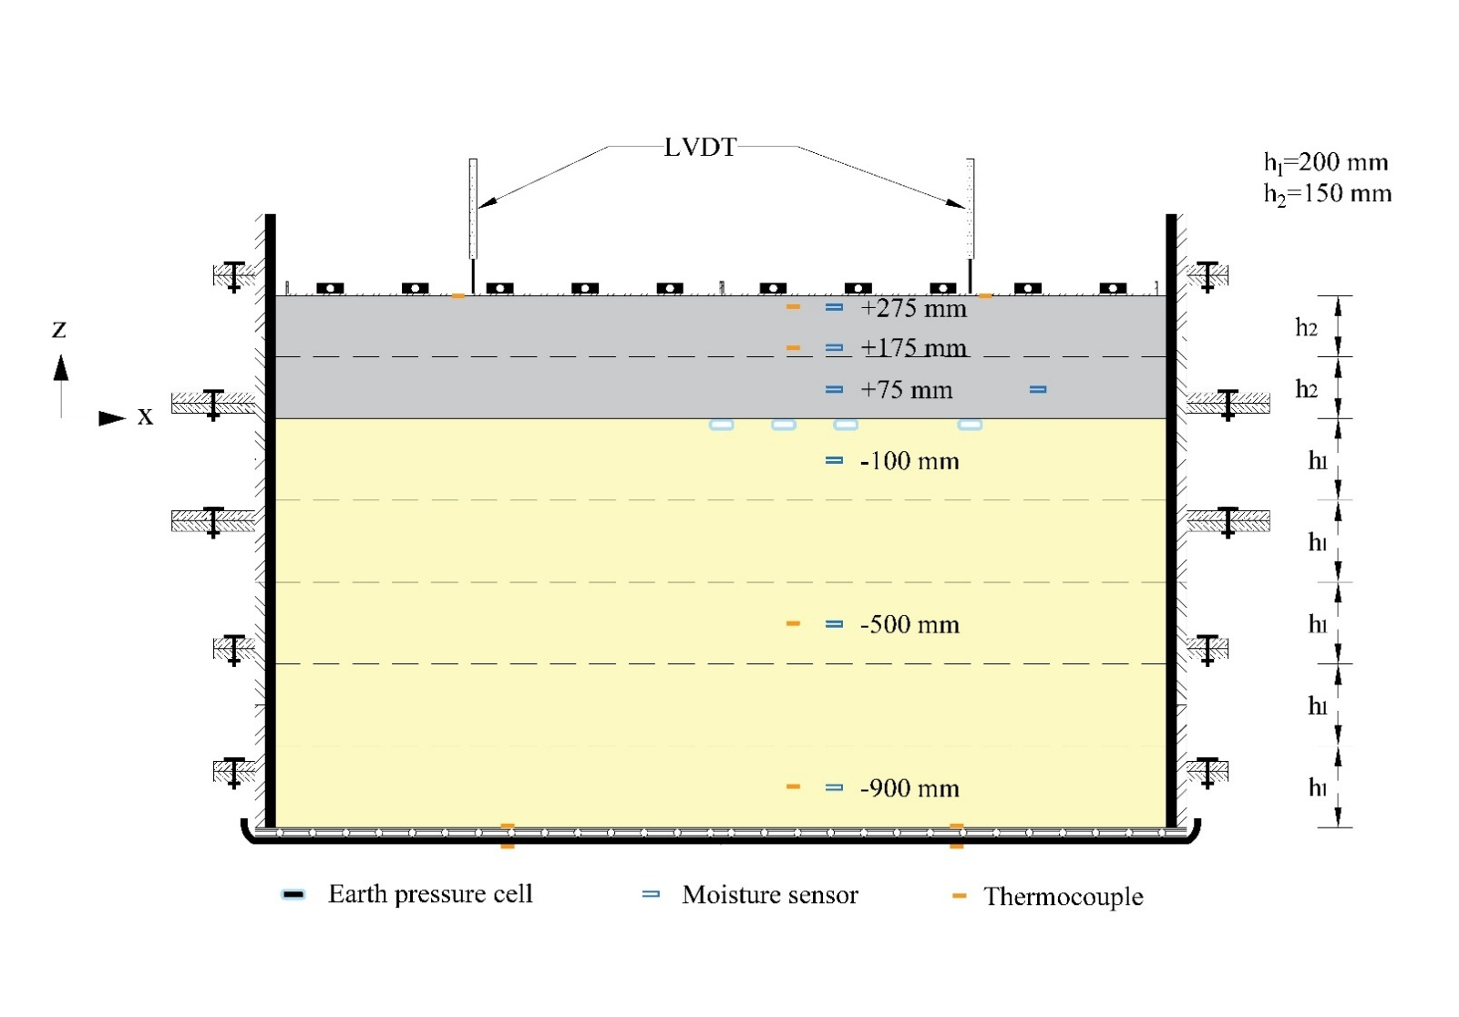
...
-0.229 | -0.138 | 0.71 | -5.256 | -14.37 | -14.36 |  | 18.60 | -3.00 | -3.00
0.302 | 1.864 | 1.745 | -0.848 | 0.49 | 10.5 | 10.55 | 20.30
0.30 | 1.864 | 1.745 | 0 | -0.848 | 5.495

The

Temp_profile
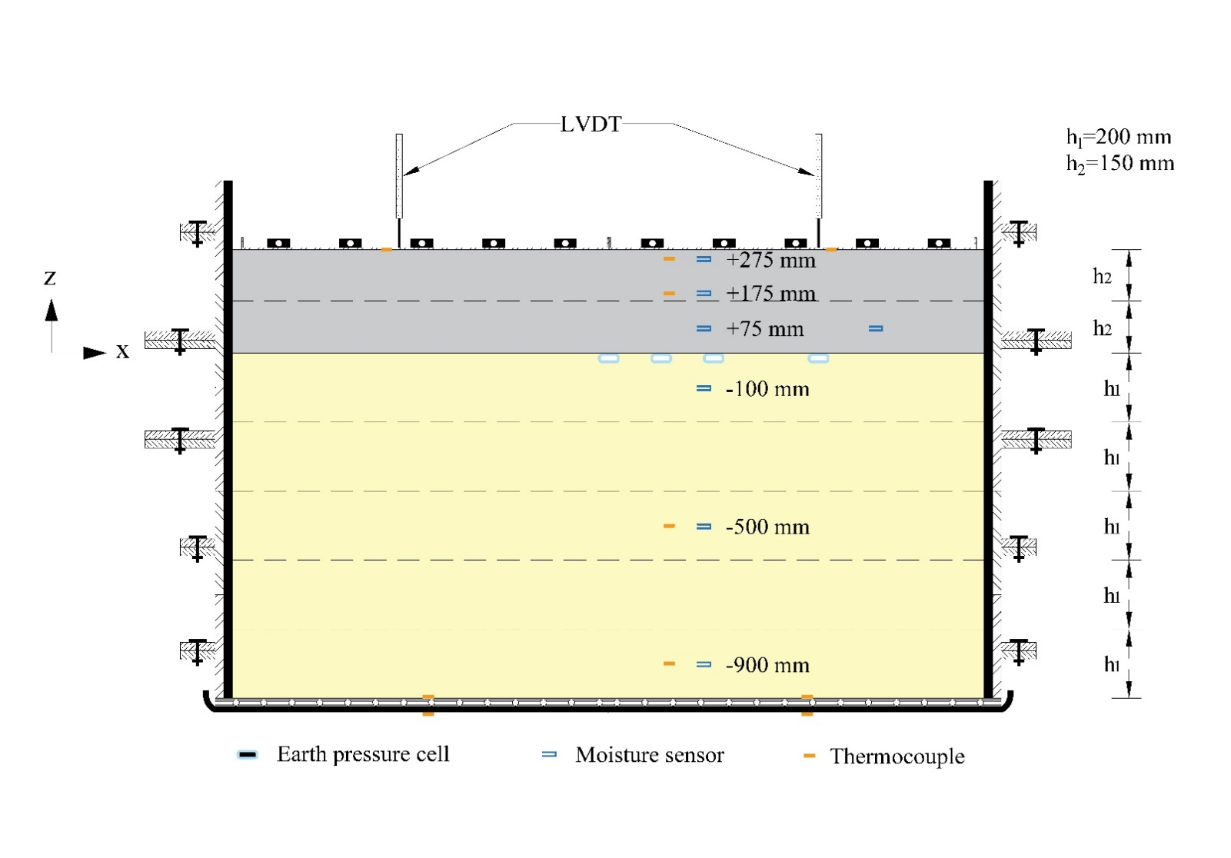
...
The

Frost heave
...
Time (hr) | Time (days) | Frost heave (mm)
5.5 | 0.22916666667 | -0.14903 | -0.007367 | 0.4684 | 0.16811
6 | 0.25 | -0.13557 | 0.08369 | 0.64043 | 0.30303
6.5 | 0.27083333333 | -0.08157 | 0.161306 | 0.7113 | 0.47511
7 | 0.29166666667 | -0.11187 | 0.174876 | 0.74173 | 0.58314
7.5 | 0.3125 | -0.04109 | 0.164672 | 0.72816 | 0.6303
8 | 0.33333333333 | -0.0411 | 0.249016 | 0.80238 | 0.61005
8.5 | 0.35416666667 | 0.06686 | 0.326605 | 0.87997 | 0.63366
9 | 0.375 | 0.09385 | 0.353596 | 0.95082 | 0.72813
9.5 | 0.39583333333 | 0.14108 | 0.434568 | 1.03517 | 0.78211
10 | 0.41666666667 | 0.22543 | 0.505418 | 1.17687 | 0.83609
The front portion of the soil exhibits greater heave than the back, and the right side shows more heave than the left.
10.5 | 0.4375 | 0.34351 | 0.6167544 | 1.31182 | 0.95755
11 | 0.45833333333 | 0.43128 | 0.6943996 | 1.44345 | 1.06893
11.5 | 0.47916666667 | 0.50208 | 0.8293044 | 1.60535 | 1.2477
12 | 0.5 | 0.61342 | 0.9507619 | 1.72006 | 1.3624
12.5 | 0.52083333333 | 0.75175 | 1.0890896 | 1.89549 | 1.50748
13 | 0.54166666667 | 0.85634 | 1.2814028 | 2.11142 | 1.5446
13.5 | 0.5625 | 0.99129 | 1.4197231 | 2.26661 | 1.69304
14 | 0.58333333333 | 1.26457 | 1.57491965 | 2.33072 | 2.05067
14.5 | 0.60416666667 | 1.36241 | 1.736863 | 2.52977 | 2.2261
15 | 0.625 | 1.50417 | 1.9427309 | 2.67154 | 2.38136 | 90 | 0
15.5 | 0.64583333333 | 1.62219 | 2.0911135 | 2.84691 | 2.55674 | 90 | 35 | freezing 150 mm
16 | 0.66666666667 | 1.75377 | 2.3002907 | 3.01223 | 2.67145
16.5 | 0.6875 | 1.89547 | 2.509468 | 3.18429 | 2.8199 | 160 | 0
17 | 0.70833333333 | 2.04392 | 2.711897 | 3.30575 | 2.95148 | 160 | 35 | freezing 300 mm (base layer)
17.5 | 0.72916666667 | 2.1755 | 2.840102 | 3.46769 | 3.09318
18 | 0.75 | 2.31387 | 3.035839 | 3.58921 | 3.22481
...

